Case #1
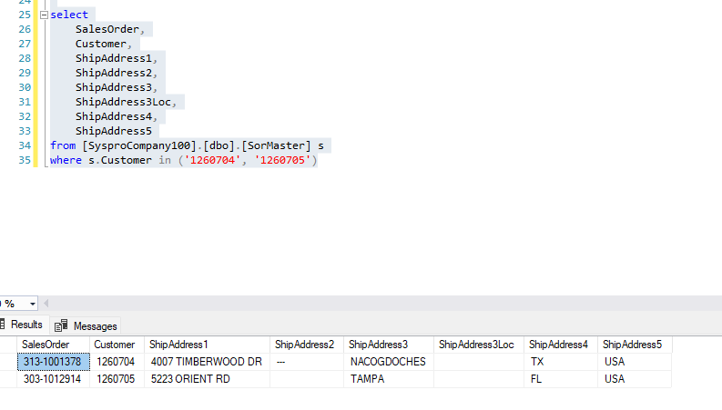
Justin Pope Dev Test
Test Case No. |  | 1
Process |  | eCat Staging Service
Test Consideration |  | 1) SSMS 2) Service running
Test Condition |  |  | Data Used | How To Verify | Actual Results
Tasks
1 |  | Staged records to be processed |  | query database | screenshots below
2 |  | Service Runs and Processes correctly |  | 1) Application does not error out 2) Validate changes in Syspro 3) SSMS | screenshots below
Configuration/Data Setup for Testing Scenario

Verification

Test Cast Screens Shots Before and After

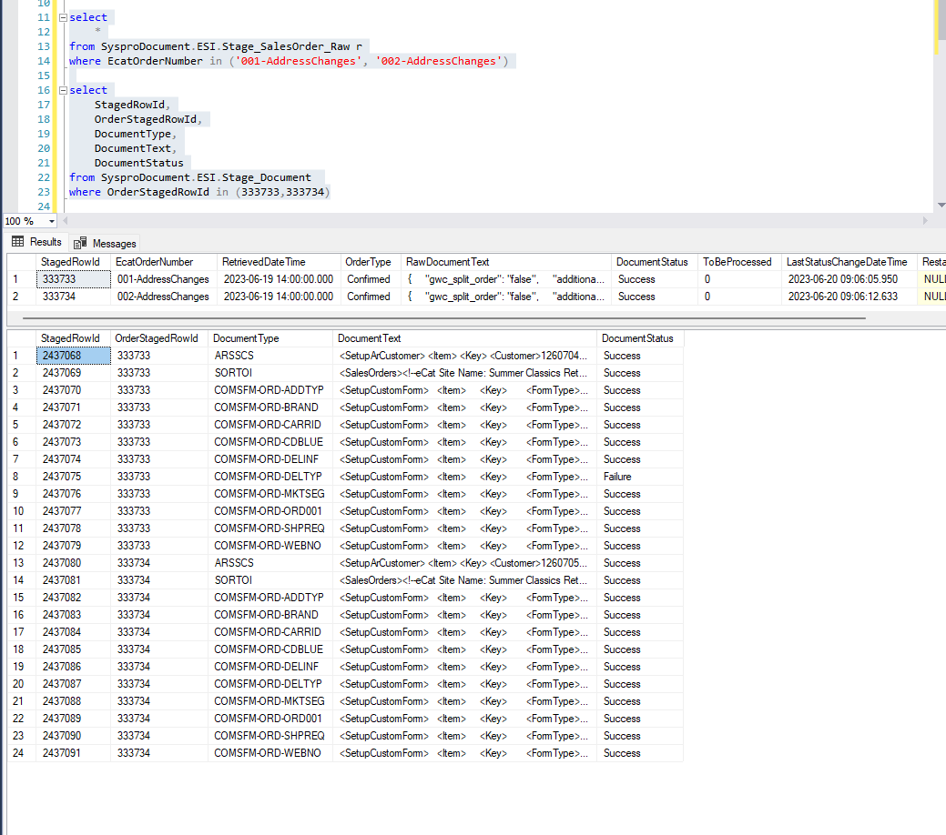

 | Customers Created
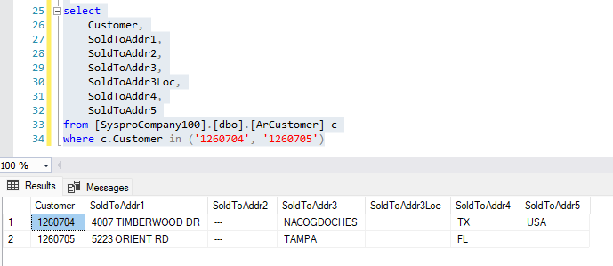

 | Sales Orders Created

Case #2
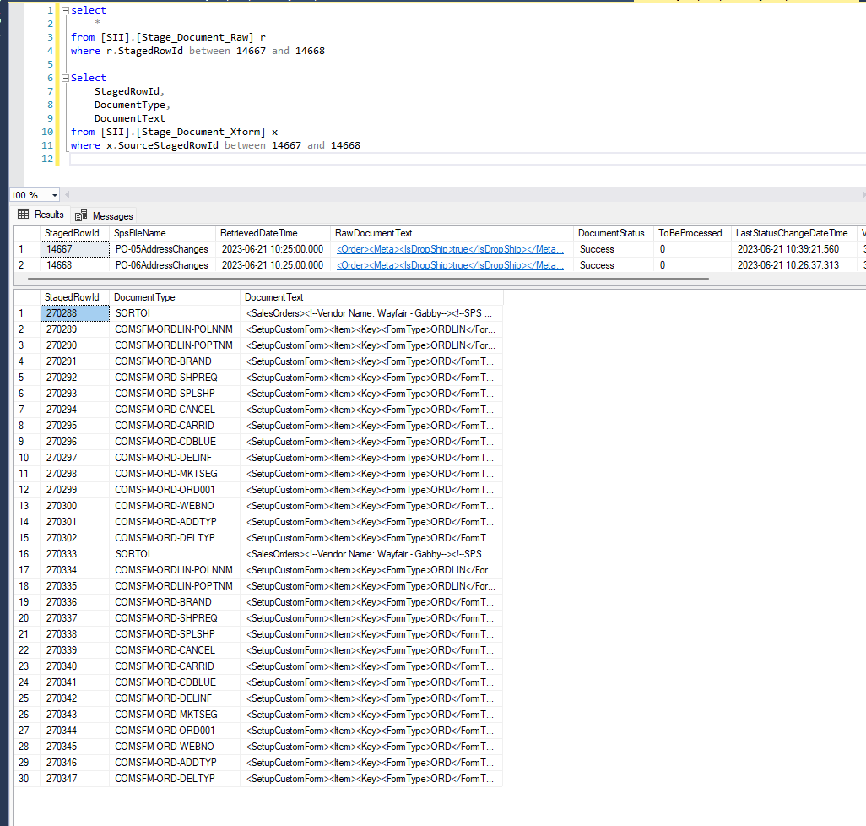
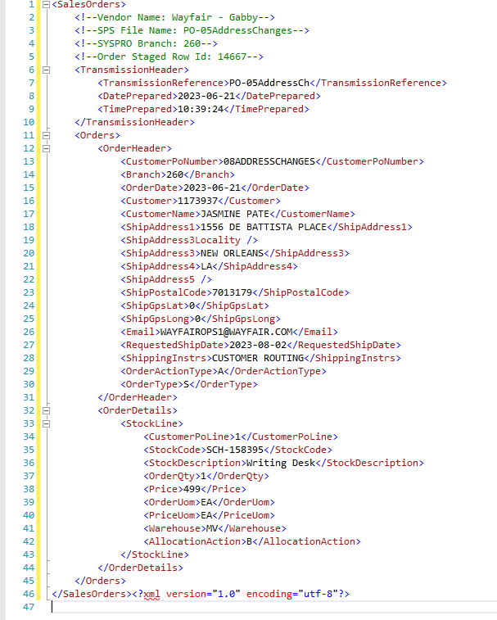
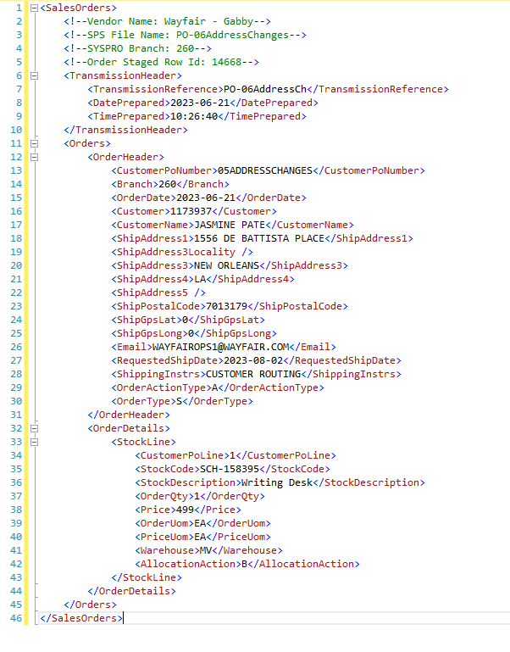
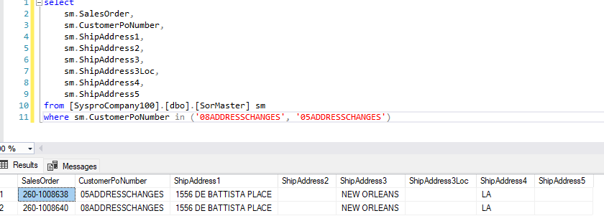
Justin Pope Dev Test
Test Case No. | 2
Process | SPS - EDI - System
Test Consideration | 1) SSMS 2) Service running
Test Condition |  | Data Used | How To Verify | Actual Results
Tasks
1 | Staged records to be processed | dev data | query database | screenshots below
2 | Service Runs and Processes correctly |  | 1) Application does not error out 2) Validate changes in Syspro 3) SSMS | screenshots below
Configuration/Data Setup for Testing Scenario

Verification

Test Cast Screens Shots Before and After

Case #3
Justin Pope Dev Test
Test Case No. |  | 3
Process |  | Global function
Test Consideration |  | 1) SSMS
Test Condition |  |  | Data Used | How To Verify | Actual Results
Tasks
1 |  | Testing functions and procdures | dev data | query database | screenshots below
Configuration/Data Setup for Testing Scenario

Verification

Test Cast Screens Shots Before and After

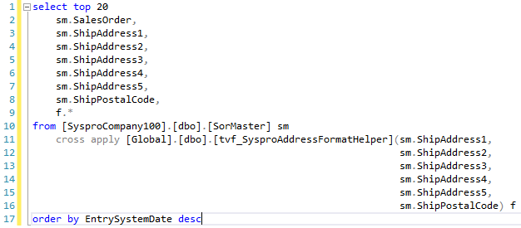
 | SorMaster

 | SalesOrder | ShipAddress1 | ShipAddress2 | ShipAddress3 | ShipAddress4 | ShipAddress5 | ShipPostalCode | Address1 | Address2 | Address3 | Address4 | Address5 | PostalCode
 | 100-1057565 | 1201 N Loop 1604 W | Ste 112 | San Antonio, TX | --- | --- | 78258 | 1201 N Loop 1604 W | Ste 112 | San Antonio | TX | USA | 78258
 | 100-1057564 | 1201 N Loop 1604 W | Ste 112 | San Antonio, TX | --- | --- | 78258 | 1201 N Loop 1604 W | Ste 112 | San Antonio | TX | USA | 78258
 | 260-1008640 | 1556 DE BATTISTA PLACE |  | NEW ORLEANS | LA |  | 7013179 | 1556 DE BATTISTA PLACE |  | NEW ORLEANS | LA | USA | 7013179
 | 260-1008639 | 1556 DE BATTISTA PLACE |  | NEW ORLEANS | LA |  | 7013179 | 1556 DE BATTISTA PLACE |  | NEW ORLEANS | LA | USA | 7013179
 | 260-1008638 | 1556 DE BATTISTA PLACE |  | NEW ORLEANS | LA |  | 7013179 | 1556 DE BATTISTA PLACE |  | NEW ORLEANS | LA | USA | 7013179
 | 260-1008637 | 130 DISTRIBUTION DRIVE |  | MCDONOUGH | GA |  | 30252 | 130 DISTRIBUTION DRIVE |  | MCDONOUGH | GA | USA | 30252
 | 260-1008636 | 534 OAK AVE. |  | SPRUCE PINE | NC |  | 28777 | 534 OAK AVE. |  | SPRUCE PINE | NC | USA | 28777
 | 100-1057563 | --- | 3140 Pelham Parkway | Pelham, AL | --- | --- | 35124 | --- | 3140 Pelham Parkway | Pelham | AL | USA | 35124
 | 313-1001378 | 4007 TIMBERWOOD DR | --- | NACOGDOCHES | TX | USA | 75965 | 4007 TIMBERWOOD DR | --- | NACOGDOCHES | TX | USA | 75965
 | 303-1012914 | 5223 ORIENT RD |  | TAMPA | FL | USA | 50018 | 5223 ORIENT RD |  | TAMPA | FL | USA | 50018
 | 301-1014093 | 681 RUMBLE AVE |  | BIRMINGHAM, AL |  |  | 35213 | 681 RUMBLE AVE |  | BIRMINGHAM | AL | USA | 35213
 | 240-1003482 | 315 WILLOW CREST LANE |  | Hoover | Alabama | US | 35244 | 315 WILLOW CREST LANE |  | Hoover | AL | USA | 35244
 | 240-1003481 | 315 WILLOW CREST LANE |  | Hoover | Alabama | US | 35244 | 315 WILLOW CREST LANE |  | Hoover | AL | USA | 35244
 | 240-1003480 | 308 MIMOSA PLACE |  | Lafayette | Louisiana | US | 70506 | 308 MIMOSA PLACE |  | Lafayette | LA | USA | 70506
 | 240-1003479 | 2008 KENSINGTON COURT |  | Calera AL | Alabama | US | 35040 | 2008 KENSINGTON COURT |  | Calera AL | AL | USA | 35040
 | 240-1003478 | 2008 KENSINGTON COURT |  | Calera AL | Alabama | US | 35040 | 2008 KENSINGTON COURT |  | Calera AL | AL | USA | 35040
 | 240-1003477 | 2008 KENSINGTON COURT |  | Calera AL | Alabama | US | 35040 | 2008 KENSINGTON COURT |  | Calera AL | AL | USA | 35040
 | 240-1003476 | 2008 KENSINGTON COURT |  | Calera AL | Alabama | US | 35040 | 2008 KENSINGTON COURT |  | Calera AL | AL | USA | 35040
 | 230-1010021 | 5016 MANGROVE POINT RD |  | BRADENTON, FL |  |  | 34210 | 5016 MANGROVE POINT RD |  | BRADENTON | FL | USA | 34210
 | 220-1181681 | 1088 MALL DRIVE | INLET SQUARE MALL | MURRELLS INLET, SC |  |  | 29576 | 1088 MALL DRIVE | INLET SQUARE MALL | MURRELLS INLET | SC | USA | 29576

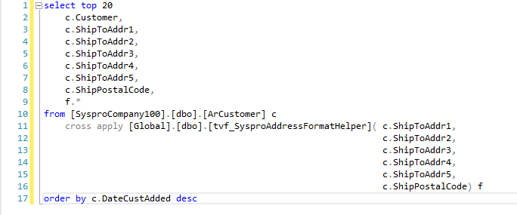
 | ArCustomer

 | Customer | ShipToAddr1 | ShipToAddr2 | ShipToAddr3 | ShipToAddr4 | ShipToAddr5 | ShipPostalCode | Address1 | Address2 | Address3 | Address4 | Address5 | PostalCode
 | 1260710
 | 1260704 | 4007 TIMBERWOOD DR | --- | NACOGDOCHES | TX | USA | 75965 | 4007 TIMBERWOOD DR | --- | NACOGDOCHES | TX | USA | 75965
 | 1260705 | 5223 ORIENT RD |  | TAMPA | FL | USA | 50018 | 5223 ORIENT RD |  | TAMPA | FL | USA | 50018
 | 1260700 | 308 MIMOSA PLACE |  | LAFAYETTE | LOUISIANA | US | 70506 | 308 MIMOSA PLACE |  | LAFAYETTE | LA | USA | 70506
 | 1260696 | 2157 ERIKA LN |  | FORNEY | TEXAS | US | 75126 | 2157 ERIKA LN |  | FORNEY | TX | USA | 75126
 | 1260697 | 2157 ERIKA LN |  | FORNEY | TEXAS | US | 75126 | 2157 ERIKA LN |  | FORNEY | TX | USA | 75126
 | 1260695 | 1419 GIRARD STREET |  | MAMARONECK | NEW YORK | US | 10543 | 1419 GIRARD STREET |  | MAMARONECK | NY | USA | 10543
 | 1260691 | 86 SPINDLE RD |  | HICKSVILLE | NEW YORK | US | 11801 | 86 SPINDLE RD |  | HICKSVILLE | NY | USA | 11801
 | 1260692 | 86 SPINDLE RD |  | HICKSVILLE | NEW YORK | US | 11801-1111 | 86 SPINDLE RD |  | HICKSVILLE | NY | USA | 11801-1111
 | 1260693 | 86 SPINDLE RD |  | HICKSVILLE | NEW YORK | US | 11801-1111 | 86 SPINDLE RD |  | HICKSVILLE | NY | USA | 11801-1111
 | 1260694 | 86 SPINDLE RD |  | HICKSVILLE | NEW YORK | US | 70817-1111 | 86 SPINDLE RD |  | HICKSVILLE | NY | USA | 70817-1111
 | 1260688 | 1419 GIRARD STREET, |  | MAMARONECK, NEW YORK |  | US | 10543 | 1419 GIRARD STREET, |  | MAMARONECK | NY | USA | 10543
 | 1260689 | 1419 GIRARD STREET, |  | MAMARONECK, NEW YORK |  | US | 10543 | 1419 GIRARD STREET, |  | MAMARONECK | NY | USA | 10543
 | 1260690 | 1419 GIRARD STREET, |  | MAMARONECK, NEW YORK |  | US | 10543 | 1419 GIRARD STREET, |  | MAMARONECK | NY | USA | 10543
 | 1260687 | 555 W KINZIE ST |  | CHICAGO, ILLINOIS |  | US | 60654 | 555 W KINZIE ST |  | CHICAGO | IL | USA | 60654
 | 1260685 | 86 SPINDLE RD |  | HICKSVILLE, NEW YORK |  | US | 11801 | 86 SPINDLE RD |  | HICKSVILLE | NY | USA | 11801
 | 1260686 | 3140 PELHAM PKWY SUITE 200 |  | PELHAM, ALABAMA |  | US | 35124 | 3140 PELHAM PKWY SUITE 200 |  | PELHAM, ALA | MA | USA | 35124
 | 1260678 | 821 N NICHOLSON AVE |  | LONG BEACH, MISSISSIPPI |  | US | 39560 | 821 N NICHOLSON AVE |  | LONG BEACH | MS | USA | 39560
 | 1260679 | 473 BENTLEY RD |  | COLUMBIANA, ALABAMA |  | US | 35051 | 473 BENTLEY RD |  | COLUMBIANA, ALA | MA | USA | 35051
 | 1260680 | 1000 AVENAL ST |  | PINON HILLS, CALIFORNIA |  | US | 92372 | 1000 AVENAL ST |  | PINON HILLS, CALIFO | IA | USA | 92372

Case #5
Justin Pope Dev Test
Test Case No. |  | 5
Process |  | Accounting
Test Consideration |  | 1) SSMS
Test Condition |  |  | Data Used | How To Verify | Actual Results
Tasks
1 |  | Testing functions and procdures | dev data | query database | screenshots below
Configuration/Data Setup for Testing Scenario

Verification

Test Cast Screens Shots Before and After

 | Production | dbo.tvf_CIT_CreditRequest
 | Branch | FactorClientId | SysproCustomerId | FactorAccuntId | ClientCustomerId | SalesOrder | CustomerName | CustomerAddress1 | CustomerAddress2 | CustomerCity | CustomerStateAbbreviation | CustomerZipCode | CustomerCountry | CustomerCountryCode | CustomerTelephone | StartShipDate | TermsCode | TermDays | ShipCompletionDate | OrderAmount
 | 200 | 122P | 1100004 | 3624170 | 1100004 | 200-1112667 | MARK KINGS FURNITURE | 1425 DADEVILLE ROAD |  | ALEXANDER CITY | AL | 35010 | UNITED STATES | USA | 2562344275 | 2023-06-29 | C3 | 30 | 2023-08-10 | 255
 | 220 | 135D | 1003622 | 1837684 | 1003622 | 220-1181683 | MCQUEEN'S INTERIORS | 4426 ARENDELL ST |  | MOREHEAD CITY | NC | 28557 | UNITED STATES | USA | 2522473175 | 2023-06-29 | C3 | 30 | 2023-08-10 | 959

 | Phase1 | dbo.tvf_CIT_CreditRequest
 | Branch | FactorClientId | SysproCustomerId | FactorAccuntId | ClientCustomerId | SalesOrder | CustomerName | CustomerAddress1 | CustomerAddress2 | CustomerCity | CustomerStateAbbreviation | CustomerZipCode | CustomerCountry | CustomerCountryCode | CustomerTelephone | StartShipDate | TermsCode | TermDays | ShipCompletionDate | OrderAmount
 | 220 | 135D | 1003622 | 1837684 | 1003622 | 220-1181683 | MCQUEEN'S INTERIORS | 4426 ARENDELL ST |  | MOREHEAD CITY | NC | 28557 | UNITED STATES | USA | 2522473175 | 2023-06-29 | C3 | 30 | 2023-08-10 | 959
 | 200 | 122P | 1100004 | 3624170 | 1100004 | 200-1112667 | MARK KINGS FURNITURE | 1425 DADEVILLE ROAD |  | ALEXANDER CITY | AL | 35010 | UNITED STATES | USA | 2562344275 | 2023-06-29 | C3 | 30 | 2023-08-10 | 255

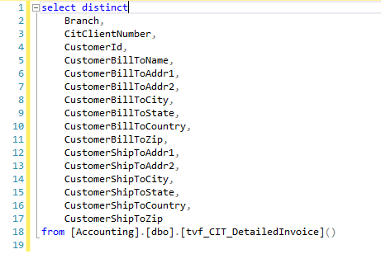

 | Production | dbo.tvf_CIT_DetailedInvoice
 | Branch | CitClientNumber | CustomerId | CustomerBillToName | CustomerBillToAddr1 | CustomerBillToAddr2 | CustomerBillToCity | CustomerBillToState | CustomerBillToCountry | CustomerBillToZip | CustomerShipToAddr1 | CustomerShipToAddr2 | CustomerShipToCity | CustomerShipToState | CustomerShipToCountry | CustomerShipToZip
 | 200 | 122P | 1100074 | TRADITIONS LTD. | 4245 EXCELISIOR BLVD | MINNEAPOLIS, MN | MINNEAPOLIS | MN | UNITED STATES | 55416 | C/O: RICSONS INC. | 333 E. HARRISON ST. NE | MINNEAPOLIS | MN | UNITED STATES | 55413
 | 200 | 122P | 1100241 | JOSEPH CRAIG, LTD | 700 W PETE ROSE WAY | CINCINNATI, OH | CINCINNATI | OH | UNITED STATES | 45203 | 3720 BENNER RD |  | MIAMISBURG | OH | UNITED STATES | 45342
 | 200 | 122P | 1102198 | WG ARTHUR CO INC | 6471 WEST QUAKER STREET |  | ORCHARD PARK | NY | UNITED STATES | 14127 | 5549 TASTOR LANE |  | FREDONIA | NY | UNITED STATES | 14063
 | 200 | 122P | 1102338 | GDC HOME | 1290 SAM RITTENBERG BLVD | CHARLESTON, SC | CHARLESTON | SC | UNITED STATES | 29407 | 1290 SAM RITTENBERG BLVD | --- | CHARLESTON | SC | UNITED STATES | 29407
 | 200 | 122P | 1102870 | INTERIORS FURNITURE AND DESIGN | 3130 COLUMBIA AVE |  | LANCASTER | PA | UNITED STATES | 17603 | 1260 CORPORATE BLVD | --- | LANCASTER | PA | UNITED STATES | 17601
 | 200 | 122P | 1103189 | MARTHA O'HARA INTERIORS, INC | 9950 WAYZATA BLVD |  | MINNEAPOLIS | MN | UNITED STATES | 55426 | 1111 EAST 20TH ST | TAG: MOHI 127681/FOLKESTAD CHAIR CUSH | NEWTON | NC | UNITED STATES | 28658
 | 200 | 122P | 1103359 | ANN ROCHE CASUAL FURNITURE | 370 DORSET STREET |  | SOUTH BURLINGTON | VT | UNITED STATES | 5403 | 370 DORSET STREET | --- | SOUTH BURLINGTON | VT | UNITED STATES | 5403
 | 200 | 122P | 1103464 | WALTER E. SMITHE FURNITURE, INC | 1251 W. THORNDALE AVENUE | --- | ITASCA | IL | UNITED STATES | 60143 | 1251 W THORNDALE AVENUE | --- | ITASCA | IL | UNITED STATES | 60143
 | 200 | 122P | 1103480 | SPIFFY STUFF/PK&A ENTERPRISES | 1231 COLLIER ROAD | SUITE D | ATLANTA | GA | UNITED STATES | 30318 | 1111 EAST 20TH ST | PLANT 1 DOOR 12A | NEWTON | NC | UNITED STATES | 28658
 | 200 | 122P | 1103480 | SPIFFY STUFF/PK&A ENTERPRISES | 1231 COLLIER ROAD | SUITE D | ATLANTA | GA | UNITED STATES | 30318 | C/O SPIFFY STUFF | 6610 BAY CIRCLE SUITE B | NORCROSS | GA | UNITED STATES | 30071
 | 200 | 122P | 1114022 | SHEALEIGH'S@MEWS | 811 US HIGHWAY 72 W |  | ATHENS | AL | UNITED STATES | 35611 | 811 US HIGHWAY 72 W | --- | ATHENS | AL | UNITED STATES | 35611
 | 200 | 122P | 1124734 | JAMES MICHAEL HOWARD, INC | 4128 HERSCHEL STREET |  | JACKSONVILLE | FL | UNITED STATES | 32210 | 5343 NORMANDY BLVD |  | JACKSONVILLE | FL | UNITED STATES | 32205
 | 200 | 122P | 1171166 | SEVILLE HOME | 13846 WYANDOTTE |  | KANSAS CITY | MO | UNITED STATES | 64145 | 13846 WYANDOTTE | --- | KANSAS CITY | MO | UNITED STATES | 64145
 | 200 | 122P | 1174894 | DIVA FURNITURE | 10322 E STONEGATE #200 |  | WICHITA | KS | UNITED STATES | 67206 | 10322 E STONEGATE #200 |  | WICHITA | KS | UNITED STATES | 67206
 | 200 | 122P | 1196632 | SAFAVIEH GROUP LLC | 40 HARBOR PARK DRIVE NORTH |  | PORT WASHINGTON | NY | UNITED STATES | 11050 | 2 CHANNEL DRIVE |  | PORT WASHINGTON | NY | UNITED STATES | 11050
 | 200 | 122P | 1245652 | KASBYS FURNITURE & DESIGN | P O BOX 5129 |  | CLOVER | SC | UNITED STATES | 29710 | 4740 DWIGHT EVANS RD STE K |  | CHARLOTTE | NC | UNITED STATES | 28217
 | 220 | 135D | 1101434 | DIVA FURNITURE | 10322 E STONEGATE #200 |  | WICHITA | KS | UNITED STATES | 67206 | 9809 E ORME | STE 118 | WICHITA | KS | UNITED STATES | 67207
 | 220 | 135D | 1113414 | GRACEFULLY DONE | 500 MAIN AVE |  | NORTHPORT | AL | UNITED STATES | 35476 | 500 MAIN AVE. |  | NORTHPORT | AL | UNITED STATES | 35476
 | 220 | 135D | 1198719 | TRADITIONS LTD. | 4245 EXCELSIOR BLVD |  | MINNEAPOLIS | MN | UNITED STATES | 55416 | 870 6TH AVE. S |  | NAPLES | FL | UNITED STATES | 34102
 | 220 | 135D | 1209697 | HABITAT DECOR INC | 1650 DUNDAS STREET EAST |  | WHITBY | ON | CANADA | L1N 2K8 | 1650 DUNDAS STREET EAST | --- | WHITBY | ON | CANADA | L1N 2K8
 | 220 | 135D | 1212320 | FABRICS & FURNISHINGS OF CONYERS | 2270 DOGWOOD DRIVE SE |  | CONYERS | GA | UNITED STATES | 30013 | 2270 DOGWOOD DR SE |  | CONYERS | GA | UNITED STATES | 30013
 | 220 | 135D | 1239218 | HICKORY PARK FURNITURE HOLDINGS LLC | 2220- HWY 70 SE | STE 370 | HICKORY | NC | UNITED STATES | 28602 | 2832 HWY 70 SE | --- | HICKORY | NC | UNITED STATES | 28602
 | 220 | 135D | 1243848 | FAZZIO INTERIORS, INC | 733 ASBURY AVENUE |  | OCEAN CITY | NJ | UNITED STATES | 8226 | 701 ASBURY AVENUE | --- | OCEAN CITY | NJ | UNITED STATES | 8226
 | 220 | 135D | 1248589 | DESIGNER RESOURCE CENTER | 1141 S ROGERS CIRCLE | SUITE 4 | BOCA RATON | FL | UNITED STATES | 33487 | 1181 S ROGERS CIR STE 7 |  | BOCA RATON | FL | UNITED STATES | 33487
 | 220 | 135D | 1251083 | DWELLINGS INC/ WI | 2924 HARDROCK ROAD |  | MADISON | WI | UNITED STATES | 53719 | 2924 HARDROCK RD |  | MADISON | WI | UNITED STATES | 53719
 | 260 | 122P | 1139142 | SCOUT & NIMBLE | 2116 VANDIVER DR | #107 | COLUMBIA | MO | UNITED STATES | 65202 | 21 SPARROW CT |  | SKILLMAN | NJ | UNITED STATES | 8558

 | Branch | CitClientNumber | CustomerId | CustomerBillToName | CustomerBillToAddr1 | CustomerBillToAddr2 | CustomerBillToCity | CustomerBillToState | CustomerBillToCountry | CustomerBillToZip | CustomerShipToAddr1 | CustomerShipToAddr2 | CustomerShipToCity | CustomerShipToState | CustomerShipToCountry | CustomerShipToZip
 | 200 | 122P | 1100074 | TRADITIONS LTD. | 4245 EXCELISIOR BLVD |  | MINNEAPOLIS | MN | UNITED STATES | 55416 | 4245 EXCELISIOR BLVD |  | MINNEAPOLIS | MN | UNITED STATES | 55416
 | 200 | 122P | 1100241 | JOSEPH CRAIG, LTD | 700 W PETE ROSE WAY |  | CINCINNATI | OH | UNITED STATES | 45203 | 700 W PETE ROSE WAY |  | CINCINNATI | OH | UNITED STATES | 45203
 | 200 | 122P | 1102198 | WG ARTHUR CO INC | 6471 WEST QUAKER STREET |  | ORCHARD PARK | NY | UNITED STATES | 14127 | 6471 WEST QUAKER STREET |  | ORCHARD PARK | NY | UNITED STATES | 14127
 | 200 | 122P | 1102338 | GDC HOME | 1290 SAM RITTENBERG BLVD |  | CHARLESTON | SC | UNITED STATES | 29407 | 1290 SAM RITTENBERG BLVD |  | CHARLESTON | SC | UNITED STATES | 29407
 | 200 | 122P | 1102870 | INTERIORS FURNITURE AND DESIGN | 3130 COLUMBIA AVE |  | LANCASTER | PA | UNITED STATES | 17603 | 3130 COLUMBIA AVE |  | LANCASTER | PA | UNITED STATES | 17603
 | 200 | 122P | 1103189 | MARTHA O'HARA INTERIORS, INC | 9950 WAYZATA BLVD |  | MINNEAPOLIS | MN | UNITED STATES | 55426 | 9950 WAYZATA BLVD |  | MINNEAPOLIS | MN | UNITED STATES | 55426
 | 200 | 122P | 1103359 | ANN ROCHE CASUAL FURNITURE | 370 DORSET STREET |  | SOUTH BURLINGTON | VT | UNITED STATES | 5403 | 370 DORSET STREET |  | SOUTH BURLINGTON | VT | UNITED STATES | 5403
 | 200 | 122P | 1103464 | WALTER E. SMITHE FURNITURE, INC | 1251 W. THORNDALE AVENUE | --- | ITASCA | IL | UNITED STATES | 60143 | 1251 W. THORNDALE AVENUE | --- | ITASCA | IL | UNITED STATES | 60143
 | 200 | 122P | 1103480 | SPIFFY STUFF/PK&A ENTERPRISES | 1231 COLLIER ROAD | SUITE D | ATLANTA | GA | UNITED STATES | 30318 | 1231 COLLIER ROAD | SUITE D | ATLANTA | GA | UNITED STATES | 30318
 | 200 | 122P | 1114022 | SHEALEIGH'S@MEWS | 811 US HIGHWAY 72 W |  | ATHEN | AL | UNITED STATES | 35611 | 811 US HIGHWAY 72 W |  | ATHEN | AL | UNITED STATES | 35611
 | 200 | 122P | 1124734 | JAMES MICHAEL HOWARD, INC | 4128 HERSCHEL STREET |  | JACKSONVILLE | FL | UNITED STATES | 32210 | 4128 HERSCHEL STREET |  | JACKSONVILLE | FL | UNITED STATES | 32210
 | 200 | 122P | 1171166 | SEVILLE HOME | 13846 WYANDOTTE |  | KANSAS CITY | MO | UNITED STATES | 64145 | 13846 WYANDOTTE |  | KANSAS CITY | MO | UNITED STATES | 64145
 | 200 | 122P | 1174894 | DIVA FURNITURE | 10322 E STONEGATE #200 |  | WICHITA | KS | UNITED STATES | 67206 | 10322 E STONEGATE #200 |  | WICHITA | KS | UNITED STATES | 67206
 | 200 | 122P | 1196632 | SAFAVIEH GROUP LLC | 40 HARBOR PARK DRIVE NORTH |  | PORT WASHINGTON | NY | UNITED STATES | 11050 | 40 HARBOR PARK DRIVE NORTH |  | PORT WASHINGTON | NY | UNITED STATES | 11050
 | 200 | 122P | 1245652 | KASBYS FURNITURE & DESIGN | P O BOX 5129 |  | LAKE WYLIE | SC | UNITED STATES | 29710 | P O BOX 5129 |  | LAKE WYLIE | SC | UNITED STATES | 29710
 | 220 | 135D | 1101434 | DIVA FURNITURE | 10322 E STONEGATE #200 |  | WICHITA | KS | UNITED STATES | 67206 | 10322 E STONEGATE #200 |  | WICHITA | KS | UNITED STATES | 67206
 | 220 | 135D | 1113414 | GRACEFULLY DONE | 500 MAIN AVE |  | NORTHPORT | AL | UNITED STATES | 35476 | 500 MAIN AVE |  | NORTHPORT | AL | UNITED STATES | 35476
 | 220 | 135D | 1198719 | TRADITIONS LTD. | 4245 EXCELSIOR BLVD |  | MINNEAPOLIS | MN | UNITED STATES | 55416 | 4245 EXCELSIOR BLVD |  | MINNEAPOLIS | MN | UNITED STATES | 55416
 | 220 | 135D | 1209697 | HABITAT DECOR INC | 1650 DUNDAS STREET EAST |  | WHITBY | ON | CANADA | L1N 2K8 | 1650 DUNDAS STREET EAST |  | WHITBY | ON | CANADA | L1N 2K8
 | 220 | 135D | 1212320 | FABRICS & FURNISHINGS OF CONYERS | 2270 DOGWOOD DRIVE SE |  | CONYERS | GA | UNITED STATES | 30013 | 2270 DOGWOOD DRIVE SE |  | CONYERS | GA | UNITED STATES | 30013
 | 220 | 135D | 1239218 | HICKORY PARK FURNITURE HOLDINGS LLC | 2220- HWY 70 SE | STE 370 | HICKORY | NC | UNITED STATES | 28602 | 2220- HWY 70 SE | STE 370 | HICKORY | NC | UNITED STATES | 28602
 | 220 | 135D | 1243848 | FAZZIO INTERIORS, INC | 733 ASBURY AVENUE |  | OCEAN CITY | NJ | UNITED STATES | 8226 | 733 ASBURY AVENUE |  | OCEAN CITY | NJ | UNITED STATES | 8226
 | 220 | 135D | 1248589 | DESIGNER RESOURCE CENTER | 1141 S ROGERS CIRCLE | SUITE 4 | BOCA RATON | FL | UNITED STATES | 33487 | 1141 S ROGERS CIRCLE | SUITE 4 | BOCA RATON | FL | UNITED STATES | 33487
 | 220 | 135D | 1251083 | DWELLINGS INC/ WI | 2924 HARDROCK ROAD |  | FITCHBURG | WI | UNITED STATES | 53719 | 2924 HARDROCK ROAD |  | FITCHBURG | WI | UNITED STATES | 53719
 | 260 | 122P | 1139142 | SCOUT & NIMBLE | 2116 VANDIVER DR | #107 | COLUMBIA | MO | UNITED STATES | 65202 | 2116 VANDIVER DR | #107 | COLUMBIA | MO | UNITED STATES | 65202

Case #6
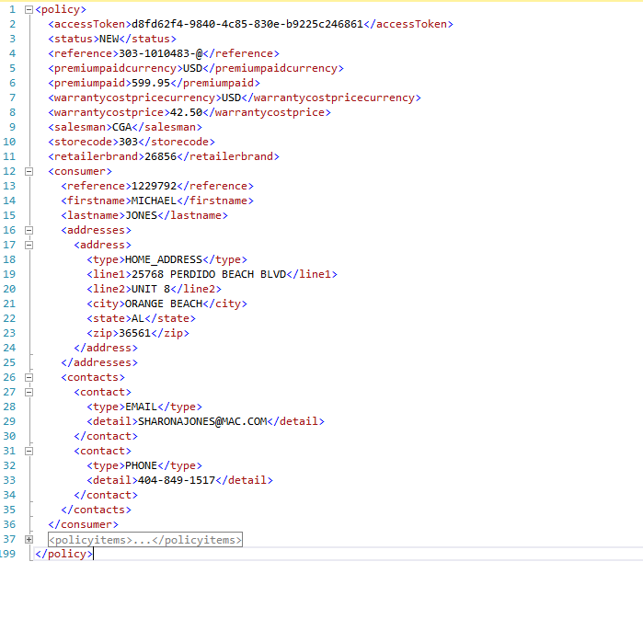
Justin Pope Dev Test
Test Case No. |  | 6
Process |  | PRODUCT_INFO
Test Consideration |  | 1) SSMS
Test Condition |  |  | Data Used | How To Verify | Actual Results
Tasks
1 |  | Testing functions and procdures | dev data | query database | screenshots below
Configuration/Data Setup for Testing Scenario

Verification

Test Cast Screens Shots Before and After

 | Production | [Ecat].[vw_SummerClassics_Contract_Customer]

 |  | BillToCode | BillToName | BillToAddress1 | BillToAddress2 | BillToAddress3 | BillToCity | BillToState | BillToPostCode | BuyerEmail | BuyerFax | BuyerPhone | DefaultPriceCode | TerritoryCodes | Terms | ShipToAddress1 | ShipToAddress2 | ShipToAddress3 | ShipToCity | ShipToState | ShipToPostCode | ShipINstructions | AddressType | DeliveryInfo | DeliveryType | EcatLocalId | RepTeam | TaxExemptNumber
 |  | 1003036 | AUTONUMBER TEST | NULL | NULL | NULL | NULL | NULL | NULL | customerack@summerclassics.com | NULL | NULL | 210D | AK | CP | NULL | NULL | NULL | NULL | NULL | NULL | PREPAID AND ADD | (none) | NULL | (none) | NULL | (none) | NULL
 |  | 1003063 | YELLOWSTONE DELVELOPMENT LLC | C/O PROJECT DYNAMICS | 26527 AGOURA ROAD | CALABASAS, CA | CALABASAS | CA | 91302 | cnesbitt@projectdynamics.com | 818-224-2209 | 818-224-2200 | 210D | JOT | CP | NULL | NULL | NULL | NULL | NULL | NULL | CUSTOMER ROUTING | (none) | NULL | (none) | NULL | (none) | NULL
 |  | 1003086 | THE STROUD GROUP | FOR ACCOUNT OF: | BRE SELECT HOTELS CORP | 5950 SYMPHONY WOODS ROAD #150 | COLUMBIA | MD | 21044 | wesley@stroudgroup.com | NULL | 410-964-2222 | 210D | JF | CP | NULL | NULL | NULL | NULL | NULL | NULL | PREPAID AND ADD | (none) | NULL | (none) | NULL | (none) | NULL
 |  | 1003098 | CALLAWAY GARDENS | PINE MOUNTAIN, GA | LODGE AND SPA AT CALLAWAY GARDENS | 4500 SOUTHERN PINE DRIVE | PINE MOUNTAIN | GA | 31822 | kwilson@callawaygardens.com | NULL | 706-663-5077 | 210D | MWT | CP | NULL | NULL | NULL | NULL | NULL | NULL | PREPAID AND ADD | (none) | NULL | (none) | NULL | MWT | NULL
 |  | 1003106 | DISTRICT 4, GA DEPT OF PUBLIC HEALTH | 301 MAIN STREET | LAGRANGE, GA | NULL | LAGRANGE | GA | 30240 | brigid.smith@dph.ga.gov | 706-845-4038 | 706-298-7718 | 210D | MWT | CP | NULL | NULL | NULL | NULL | NULL | NULL | PREPAID AND ADD | (none) | NULL | (none) | NULL | MWT | NULL
 |  | 1003234 | OMNI LA MANSION DEL RIO HOTEL | 112 COLLEGE STREET | . | SAN ANTONIO, TX | SAN ANTONIO | TX | 78205 | aguerra@omnihotels.com | NULL | 210-518-1098 | 210D | KWT | CP | NULL | NULL | NULL | NULL | NULL | NULL | PREPAID AND ADD | (none) | NULL | (none) | NULL | KWT | NULL
 |  | 1003346 | JW MARRIOTT SAN ANTONIO HILL COUNTRY CLUB RESORT | ATTN: STEVE R MCGUIRE | 23808 RESORT PARKWAY | SAN ANTONIO, TX | SAN ANTONIO | TX | 78261 | steve.mcguire@marriott.com | NULL | 210-483-6670 | 210D | MWT | CP | NULL | NULL | NULL | NULL | NULL | NULL | PREPAID AND ADD | (none) | NULL | (none) | NULL | MWT | NULL
 |  | 1003390 | LAHARPE'S OFFICE FURNITURE | PO BOX 3817 | LITTLE ROCK, AR | NULL | LITTLE ROCK | AR | 72203 | rlm-laharpe@swbell.net | NULL | 501-372-6684 | 210D | KWT | CP | NULL | NULL | NULL | NULL | NULL | NULL | PREPAID AND ADD | (none) | NULL | (none) | NULL | KWT | NULL
 |  | 1003460 | CP IV VINTAGE, LLC | C/O NEIL LOCKE & ASSOCIATES | 8100 LOMO ALTO SUITE 265 | DALLAS, TX | DALLAS | TX | 75225 | lbotts@neillocke.com | NULL | 214-368-4900 | 210D | KWT | CP | NULL | NULL | NULL | NULL | NULL | NULL | PREPAID AND ADD | (none) | NULL | (none) | NULL | KWT | NULL
 |  | 1003545 | TEST - M-FILES VIEW | NULL | NULL | NULL | NULL | NULL | NULL | customerack@summerclassics.com | NULL | NULL | 210D | 1 | CP | NULL | NULL | NULL | NULL | NULL | NULL | PREPAID AND ADD | Residential | Call Joe at 205-555-5555 before delivery | White Glove | NULL | (none) | NULL
 |  | 1003573 | FRONTIER PURCHASING | 1000 PEACHTREE INDUSTRIAL BLVD | SUITE 6-106 | SUWANEE, GA | CLARKSTON | GA | 30021 | nicole@frontierpurchasing.com | NULL | 678-983-5099 | 210D | MWT | CP | NULL | NULL | NULL | NULL | NULL | NULL | PREPAID AND ADD | (none) | NULL | (none) | NULL | MWT | NULL
 |  | 1003587 | WILLOWBROOK HOMEWOOD | C/O TMI DEVELOPMENT | PO BOX 9118 | FARGO, ND | FARGO | ND | 58106 | megan.meyer@tmihospitality.com | NULL | 701-235-1060 | 210D | HW | CP | NULL | NULL | NULL | NULL | NULL | NULL | PREPAID AND ADD | (none) | NULL | (none) | NULL | (none) | NULL
 |  | 1003617 | FACILITIES/LOGISTICS DIVISION | FBI ACADEMY, B23 | 1 RANGE ROAD | QUANTICO, VA | QUANTICO | VA | 22135 | jennifer.robinson@ic.fbi.gov | NULL | 304-625-5293 | 210D | JF | CP | NULL | NULL | NULL | NULL | NULL | NULL | PREPAID AND ADD | (none) | NULL | (none) | NULL | (none) | NULL
 |  | 1003646 | PMI CONNECT | 5080 SPECTRUM DRIVE, SUITE 300E | DALLAS, TX | ADDISON, TX | ADDISON | TX | 75001 | tmillow@pmiconnect.com | NULL | 972-239-5555 | 210D | KWT | CP | NULL | NULL | NULL | NULL | NULL | NULL | PREPAID AND ADD | (none) | NULL | (none) | NULL | KWT | NULL
 |  | 1003661 | HAMPTON INN | C/O SYNERGY HOSPITALITY | 487 DEVON PARK DRIVE, SUITE 203 | WAYNE | WAYNE | PA | 19087 | michelle.field@synergyhotels.com | NULL | 610-420-4400 | 210D | BH | CP | NULL | NULL | NULL | NULL | NULL | NULL | PREPAID AND ADD | (none) | NULL | (none) | NULL | (none) | NULL
 |  | 1130012 | HILTON GARDEN INN CHESTERTON | C/O DEBLAUW PURCHASING | 60 LANGS LANE | NEWMARTKET, NH | NEWMARKET | NH | 3857 | amanda@deblauwpurchasing.com | NULL | 603-292-6367 | 210D | AK | CP | NULL | NULL | NULL | NULL | NULL | NULL | PREPAID AND ADD | (none) | NULL | (none) | NULL | (none) | NULL
 |  | 1130019 | HOMEWOOD SUITES MIAMISBURG | C/O DEBLAUW PURCHASING, LLC | 60 LANGS LANE | NEWMARKET, | NEWMARKET | NH | 3857 | steve@hospitalitypurchasingconsultants.com | NULL | 603-292-6397 | 210D | AK | CP | NULL | NULL | NULL | NULL | NULL | NULL | PREPAID AND ADD | (none) | NULL | (none) | NULL | (none) | NULL
 |  | 1160000 | KOREGROUP INC | 1839 120 AVENUE NE | CALGARY, AB | NULL | CALGARY | AB | T3K 0S5 | collette@koregroup.com | NULL | 403-244-6440 | 210D | 1 | CP | NULL | NULL | NULL | NULL | NULL | NULL | PREPAID AND ADD | (none) | NULL | (none) | NULL | (none) | NULL
 |  | 1160001 | UNITED ACTIVE LIVING | C/O KORE GROUP | #202 2750 3RD AVENUE NE | CALGARY, AB | CALGARY | AB | T2A 2L5 | jenn@koregroupinc.com | 403-244-4884 | 403-244-6440 | 210D | 1 | CP | NULL | NULL | NULL | NULL | NULL | NULL | PREPAID AND ADD | (none) | NULL | (none) | NULL | (none) | NULL
 |  | 1160003 | BOATRIGHT | 19717 HWY 139 | BRIERFIELD, AL | NULL | BRIERFIELD | AL | 35035 | NULL | NULL | 205-665-0022 | 210D | MWT | CP | NULL | NULL | NULL | NULL | NULL | NULL | PREPAID AND ADD | (none) | NULL | (none) | NULL | MWT | NULL
 |  | 1160004 | TOMMY CLEMENT | 751 LAKESIDE DRIVE | MOBILE, AL | NULL | MOBILE | AL | 36693 | NULL | NULL | 251-604-0151 | 210D | 1 | CP | NULL | NULL | NULL | NULL | NULL | NULL | PREPAID AND ADD | (none) | NULL | (none) | NULL | (none) | NULL
 |  | 1160006 | ELLEN HAUSER DESIGN | 2945 BALMORAL ROAD | BIRMINGHAM | AL | BIRMINGHAM | AL | 35223 | ellen@ellenhauserdesign.com | NULL | 205-249-0210 | 210D | MWT | CP | NULL | NULL | NULL | NULL | NULL | NULL | PREPAID AND ADD | (none) | NULL | (none) | NULL | MWT | NULL
 |  | 1160007 | COLONNADE GROUP | 4212 ROBERTSON ROAD | BIRMINGHAM, AL | NULL | BIRMINGHAM | AL | 35243 | lbrobertson@mac.com | NULL | 205-777-0281 | 210D | MWT | CP | NULL | NULL | NULL | NULL | NULL | NULL | PREPAID AND ADD | (none) | NULL | (none) | NULL | MWT | NULL
 |  | 1160008 | PARC AT CAHABA RIVER | C/O EQUITY RESOURCES | 4509 PINE TREE CIRCLE | VESTAVIA, AL | BIRMINGHAM | AL | 35243 | dsantiago@equityresources.net | 205-969-1303 | 205-969-1131 | 210D | MWT | CP | NULL | NULL | NULL | NULL | NULL | NULL | PREPAID AND ADD | (none) | NULL | (none) | NULL | MWT | NULL
 |  | 1160012 | MOUNTAIN BROOK COUNTRY CLUB | 19 BEECHWOOD ROAD | MOUNTAIN BROOK | AL | BIRMINGHAM | AL | 35213 | ckiley@mountainbrookclub.com | NULL | 205-871-0866 | 210D | MWT | CP | NULL | NULL | NULL | NULL | NULL | NULL | PREPAID AND ADD | (none) | NULL | (none) | NULL | MWT | NULL
 |  | 1160013 | SOUTHERN QUEST CONSTRUCTION | 4326 S BRANNON STAND ROAD | DOTHAN, AL | NULL | DOTHAN | AL | 36305 | michaelsqc@gmail.com | NULL | 334-678-0904 | 210D | MWT | CP | NULL | NULL | NULL | NULL | NULL | NULL | PREPAID AND ADD | (none) | NULL | (none) | NULL | MWT | NULL
 |  | 1160014 | DA TYNES | 3240 STERLING ROAD | NULL | BIRMINGHAM, AL | BIRMINGHAM | AL | 35213 | damit3240@aol.com | NULL | NULL | 210D | MWT | CP | NULL | NULL | NULL | NULL | NULL | NULL | PREPAID AND ADD | (none) | NULL | (none) | NULL | MWT | NULL
 |  | 1160015 | BUSINESS INTERIORS BIRMINGHAM | 2309 5TH AVE SOUTH | BIRMINGHAM, AL | NULL | BIRMINGHAM | AL | 35233 | invoices@businteriors.com | 205-939-3349 | 205-939-1008 | 210A | MWT | CP | NULL | NULL | NULL | NULL | NULL | NULL | PREPAID AND ADD | (none) | NULL | (none) | NULL | MWT | 370040784
 |  | 1160016 | COLBALT RESTAURANT | 28099 PERDIDO BEACH BLVD. | ORANGE BEACH, AL | NULL | ORANGE BEACH | AL | 36561 | cosmosrest@gulftel.com | NULL | 251-752-1033 | 210D | MWT | CP | NULL | NULL | NULL | NULL | NULL | NULL | PRE PAID FREIGHT | (none) | NULL | (none) | NULL | MWT | 0200-19037
 |  | 1160018 | COBB THEATRES III, LLC | 2000 B SOUTHBRIDGE PKWY | BIRMINGHAM, AL | NULL | BIRMINGHAM | AL | 35209 | NULL | 2058027771 | 205-802-1110 | 210D | MWT | CP | NULL | NULL | NULL | NULL | NULL | NULL | PREPAID AND ADD | (none) | NULL | (none) | NULL | MWT | NULL

 | Phase1 | [Ecat].[vw_SummerClassics_Contract_Customer]
 |  | BillToCode | BillToName | BillToAddress1 | BillToAddress2 | BillToCity | BillToState | BillToCountry | BillToPostCode | BuyerEmail | BuyerFax | BuyerPhone | DefaultPriceCode | TerritoryCodes | Terms | ShipToAddress1 | ShipToAddress2 | ShipToCity | ShipToState | ShipToCountry | ShipToPostCode | ShipINstructions | AddressType | DeliveryInfo | DeliveryType | EcatLocalId | RepTeam | TaxExemptNumber
 |  | 1003036 | AUTONUMBER TEST | NULL | NULL | NULL | NULL | NULL | NULL | customerack@summerclassics.com | NULL | NULL | 210D | AK | CP | NULL | NULL | NULL | NULL | NULL | NULL | PREPAID AND ADD | (none) | NULL | (none) | NULL | (none) | NULL
 |  | 1003063 | YELLOWSTONE DELVELOPMENT LLC | C/O PROJECT DYNAMICS | 26527 AGOURA ROAD | CALABASAS | CA | USA | 91302 | cnesbitt@projectdynamics.com | 818-224-2209 | 818-224-2200 | 210D | JOT | CP | NULL | NULL | NULL | NULL | NULL | NULL | CUSTOMER ROUTING | (none) | NULL | (none) | NULL | (none) | NULL
 |  | 1003086 | THE STROUD GROUP | FOR ACCOUNT OF: | BRE SELECT HOTELS CORP | COLUMBI | MD | USA | 21044 | wesley@stroudgroup.com | NULL | 410-964-2222 | 210D | JF | CP | NULL | NULL | NULL | NULL | NULL | NULL | PREPAID AND ADD | (none) | NULL | (none) | NULL | (none) | NULL
 |  | 1003098 | CALLAWAY GARDENS | PINE MOUNTAIN, GA | NULL | NULL | NULL | USA | 31822 | kwilson@callawaygardens.com | NULL | 706-663-5077 | 210D | MWT | CP | NULL | NULL | NULL | NULL | NULL | NULL | PREPAID AND ADD | (none) | NULL | (none) | NULL | MWT | NULL
 |  | 1003106 | DISTRICT 4, GA DEPT OF PUBLIC HEALTH | 301 MAIN STREET | NULL | LAGRANGE | GA | USA | 30240 | brigid.smith@dph.ga.gov | 706-845-4038 | 706-298-7718 | 210D | MWT | CP | NULL | NULL | NULL | NULL | NULL | NULL | PREPAID AND ADD | (none) | NULL | (none) | NULL | MWT | NULL
 |  | 1003234 | OMNI LA MANSION DEL RIO HOTEL | 112 COLLEGE STREET | . | SAN ANTONIO | TX | USA | 78205 | aguerra@omnihotels.com | NULL | 210-518-1098 | 210D | KWT | CP | NULL | NULL | NULL | NULL | NULL | NULL | PREPAID AND ADD | (none) | NULL | (none) | NULL | KWT | NULL
 |  | 1003346 | JW MARRIOTT SAN ANTONIO HILL COUNTRY CLUB RESORT | ATTN: STEVE R MCGUIRE | 23808 RESORT PARKWAY | SAN ANTONIO | TX | USA | 78261 | steve.mcguire@marriott.com | NULL | 210-483-6670 | 210D | MWT | CP | NULL | NULL | NULL | NULL | NULL | NULL | PREPAID AND ADD | (none) | NULL | (none) | NULL | MWT | NULL
 |  | 1003390 | LAHARPE'S OFFICE FURNITURE | PO BOX 3817 | NULL | LITTLE ROCK | AR | USA | 72203 | rlm-laharpe@swbell.net | NULL | 501-372-6684 | 210D | KWT | CP | NULL | NULL | NULL | NULL | NULL | NULL | PREPAID AND ADD | (none) | NULL | (none) | NULL | KWT | NULL
 |  | 1003460 | CP IV VINTAGE, LLC | C/O NEIL LOCKE & ASSOCIATES | 8100 LOMO ALTO SUITE 265 | DALLAS | TX | USA | 75225 | lbotts@neillocke.com | NULL | 214-368-4900 | 210D | KWT | CP | NULL | NULL | NULL | NULL | NULL | NULL | PREPAID AND ADD | (none) | NULL | (none) | NULL | KWT | NULL
 |  | 1003545 | TEST - M-FILES VIEW | NULL | NULL | NULL | NULL | NULL | NULL | customerack@summerclassics.com | NULL | NULL | 210D | 1 | CP | NULL | NULL | NULL | NULL | NULL | NULL | PREPAID AND ADD | Residential | Call Joe at 205-555-5555 before delivery | White Glove | NULL | (none) | NULL
 |  | 1003573 | FRONTIER PURCHASING | 1000 PEACHTREE INDUSTRIAL BLVD | SUITE 6-106 | SUWANEE | GA | USA | 30021 | nicole@frontierpurchasing.com | NULL | 678-983-5099 | 210D | MWT | CP | NULL | NULL | NULL | NULL | NULL | NULL | PREPAID AND ADD | (none) | NULL | (none) | NULL | MWT | NULL
 |  | 1003587 | WILLOWBROOK HOMEWOOD | C/O TMI DEVELOPMENT | PO BOX 9118 | FARGO | ND | USA | 58106 | megan.meyer@tmihospitality.com | NULL | 701-235-1060 | 210D | HW | CP | NULL | NULL | NULL | NULL | NULL | NULL | PREPAID AND ADD | (none) | NULL | (none) | NULL | (none) | NULL
 |  | 1003617 | FACILITIES/LOGISTICS DIVISION | FBI ACADEMY, B23 | 1 RANGE ROAD | QUANTICO | VA | USA | 22135 | jennifer.robinson@ic.fbi.gov | NULL | 304-625-5293 | 210D | JF | CP | NULL | NULL | NULL | NULL | NULL | NULL | PREPAID AND ADD | (none) | NULL | (none) | NULL | (none) | NULL
 |  | 1003646 | PMI CONNECT | 5080 SPECTRUM DRIVE, SUITE 300E | DALLAS, TX | ADDISON | TX | USA | 75001 | tmillow@pmiconnect.com | NULL | 972-239-5555 | 210D | KWT | CP | NULL | NULL | NULL | NULL | NULL | NULL | PREPAID AND ADD | (none) | NULL | (none) | NULL | KWT | NULL
 |  | 1003661 | HAMPTON INN | C/O SYNERGY HOSPITALITY | 487 DEVON PARK DRIVE, SUITE 203 | WAYNE | PA | USA | 19087 | michelle.field@synergyhotels.com | NULL | 610-420-4400 | 210D | BH | CP | NULL | NULL | NULL | NULL | NULL | NULL | PREPAID AND ADD | (none) | NULL | (none) | NULL | (none) | NULL
 |  | 1130012 | HILTON GARDEN INN CHESTERTON | C/O DEBLAUW PURCHASING | 60 LANGS LANE | NEWMARTKET | NH | USA | 3857 | amanda@deblauwpurchasing.com | NULL | 603-292-6367 | 210D | AK | CP | NULL | NULL | NULL | NULL | NULL | NULL | PREPAID AND ADD | (none) | NULL | (none) | NULL | (none) | NULL
 |  | 1130019 | HOMEWOOD SUITES MIAMISBURG | C/O DEBLAUW PURCHASING, LLC | 60 LANGS LANE | NEWMARKET, | NH | USA | 3857 | steve@hospitalitypurchasingconsultants.com | NULL | 603-292-6397 | 210D | AK | CP | NULL | NULL | NULL | NULL | NULL | NULL | PREPAID AND ADD | (none) | NULL | (none) | NULL | (none) | NULL
 |  | 1160000 | KOREGROUP INC | 1839 120 AVENUE NE | NULL | CALGARY | AB | CAN | T3K 0S5 | collette@koregroup.com | NULL | 403-244-6440 | 210D | 1 | CP | NULL | NULL | NULL | NULL | NULL | NULL | PREPAID AND ADD | (none) | NULL | (none) | NULL | (none) | NULL
 |  | 1160001 | UNITED ACTIVE LIVING | C/O KORE GROUP | #202 2750 3RD AVENUE NE | CALGARY | AB | CAN | T2A 2L5 | jenn@koregroupinc.com | 403-244-4884 | 403-244-6440 | 210D | 1 | CP | NULL | NULL | NULL | NULL | NULL | NULL | PREPAID AND ADD | (none) | NULL | (none) | NULL | (none) | NULL
 |  | 1160003 | BOATRIGHT | 19717 HWY 139 | NULL | BRIERFIELD | AL | USA | 35035 | NULL | NULL | 205-665-0022 | 210D | MWT | CP | NULL | NULL | NULL | NULL | NULL | NULL | PREPAID AND ADD | (none) | NULL | (none) | NULL | MWT | NULL
 |  | 1160004 | TOMMY CLEMENT | 751 LAKESIDE DRIVE | NULL | MOBILE | AL | USA | 36693 | NULL | NULL | 251-604-0151 | 210D | 1 | CP | NULL | NULL | NULL | NULL | NULL | NULL | PREPAID AND ADD | (none) | NULL | (none) | NULL | (none) | NULL
 |  | 1160006 | ELLEN HAUSER DESIGN | 2945 BALMORAL ROAD | NULL | NULL | NULL | USA | 35223 | ellen@ellenhauserdesign.com | NULL | 205-249-0210 | 210D | MWT | CP | NULL | NULL | NULL | NULL | NULL | NULL | PREPAID AND ADD | (none) | NULL | (none) | NULL | MWT | NULL
 |  | 1160007 | COLONNADE GROUP | 4212 ROBERTSON ROAD | NULL | BIRMINGHAM | AL | USA | 35243 | lbrobertson@mac.com | NULL | 205-777-0281 | 210D | MWT | CP | NULL | NULL | NULL | NULL | NULL | NULL | PREPAID AND ADD | (none) | NULL | (none) | NULL | MWT | NULL
 |  | 1160008 | PARC AT CAHABA RIVER | C/O EQUITY RESOURCES | 4509 PINE TREE CIRCLE | VESTAVIA | AL | USA | 35243 | dsantiago@equityresources.net | 205-969-1303 | 205-969-1131 | 210D | MWT | CP | NULL | NULL | NULL | NULL | NULL | NULL | PREPAID AND ADD | (none) | NULL | (none) | NULL | MWT | NULL
 |  | 1160012 | MOUNTAIN BROOK COUNTRY CLUB | 19 BEECHWOOD ROAD | NULL | MOUNTAIN B | OK | USA | 35213 | ckiley@mountainbrookclub.com | NULL | 205-871-0866 | 210D | MWT | CP | NULL | NULL | NULL | NULL | NULL | NULL | PREPAID AND ADD | (none) | NULL | (none) | NULL | MWT | NULL
 |  | 1160013 | SOUTHERN QUEST CONSTRUCTION | 4326 S BRANNON STAND ROAD | NULL | DOTHAN | AL | USA | 36305 | michaelsqc@gmail.com | NULL | 334-678-0904 | 210D | MWT | CP | NULL | NULL | NULL | NULL | NULL | NULL | PREPAID AND ADD | (none) | NULL | (none) | NULL | MWT | NULL
 |  | 1160014 | DA TYNES | 3240 STERLING ROAD | NULL | BIRMINGHAM | AL | USA | 35213 | damit3240@aol.com | NULL | NULL | 210D | MWT | CP | NULL | NULL | NULL | NULL | NULL | NULL | PREPAID AND ADD | (none) | NULL | (none) | NULL | MWT | NULL
 |  | 1160015 | BUSINESS INTERIORS BIRMINGHAM | 2309 5TH AVE SOUTH | NULL | BIRMINGHAM | AL | USA | 35233 | invoices@businteriors.com | 205-939-3349 | 205-939-1008 | 210A | MWT | CP | NULL | NULL | NULL | NULL | NULL | NULL | PREPAID AND ADD | (none) | NULL | (none) | NULL | MWT | 370040784
 |  | 1160016 | COLBALT RESTAURANT | 28099 PERDIDO BEACH BLVD. | NULL | ORANGE BEACH | AL | USA | 36561 | cosmosrest@gulftel.com | NULL | 251-752-1033 | 210D | MWT | CP | NULL | NULL | NULL | NULL | NULL | NULL | PRE PAID FREIGHT | (none) | NULL | (none) | NULL | MWT | 0200-19037
 |  | 1160018 | COBB THEATRES III, LLC | 2000 B SOUTHBRIDGE PKWY | NULL | BIRMINGHAM | AL | USA | 35209 | NULL | 2058027771 | 205-802-1110 | 210D | MWT | CP | NULL | NULL | NULL | NULL | NULL | NULL | PREPAID AND ADD | (none) | NULL | (none) | NULL | MWT | NULL

 | Production | [Ecat].[vw_SummerClassics_Retail_Customer]
 |  | BillToCode | BillToName | BillToAddress1 | BillToAddress2 | BillToAddress3 | BillToCity | BillToState | BillToPostCode | BuyerEmail | BuyerFax | BuyerPhone | DefaultPriceCode | TerritoryCodes | Terms | ShipToAddress1 | ShipToAddress2 | ShipToAddress3 | ShipToCity | ShipToState | ShipToPostCode | ShipINstructions | AddressType | DeliveryInfo | DeliveryType | EcatLocalId | RepTeam | TaxExemptNumber
 |  | 1000013 | FLOOR SET | NULL | NULL | NULL | NULL | NULL | NULL | NULL | NULL | NULL | SR | 302 | B | NULL | 3140 Pelham Pkwy | Pelham | PELHAM | AL | 35124 | NULL | (none) | NULL | (none) | NULL | NULL
 |  | 1000017 | TEST NAME | 5772 CHESTNUT TRACE | NULL | HOOVER, AL | BIRMINGHAM | AL | 35244 | NULL | NULL | 205-613-4479 | SR | 302 | B | NULL | NULL | NULL | NULL | NULL | NULL | NULL | (none) | NULL | (none) | NULL | NULL
 |  | 1000018 | ROBINETTE MARGE | NULL | NULL | STARKVILLE, MS | STARKVILLE | MS | 39759 | NULL | NULL | 662-722-0169 | SR | 302 | B | NULL | NULL | STARKVILLE, MS | STARKVILLE | MS | 39759 | NULL | (none) | NULL | (none) | NULL | NULL
 |  | 1000019 | JOHNNY VAN BENSCHOTEN | NULL | NULL | NULL | NULL | NULL | NULL | johnnyv47@hotmail.com | NULL | NULL | SR | 306 | B | NULL | NULL | NULL | NULL | NULL | NULL | NULL | (none) | NULL | (none) | NULL | NULL
 |  | 1000020 | ROBIN JONES | 111 WINDSOR LANE | NULL | PELHAM, AL | PELHAM | AL | 35124 | robinj@summerclassics.com | NULL | 205-706-4702 | SR | 302 | B | 111 WINDSOR LANE | NULL | PELHAM, AL | PELHAM | AL | 35124 | NULL | (none) | NULL | (none) | NULL | NULL
 |  | 1000021 | Angela Tatum | 1227 CONCORD HUNT DRIVE | NULL | BRENTWOOD, TN | BRENTWOOD | TN | 37027 | NULL | NULL | 615-218-0352 | SR | 306 | B | 5097 NATIVE PONY TRAIL | NULL | COLLEGE GROVE, TN | COLLEGE GROVE | TN | 37046 | NULL | (none) | NULL | (none) | NULL | NULL
 |  | 1000022 | Katia Shasserre | 1 BRIDLE LANE | NULL | ST. LOUIS, MO | SAINT LOUIS | MO | 63131 | katiashasserre@gmail.com | NULL | 314-000-0000 | SR | 307 | B | 1 BRIDLE LANE | NULL | ST. LOUIS, MO | SAINT LOUIS | MO | 63131 | NULL | (none) | NULL | (none) | NULL | NULL
 |  | 1000023 | DAVID WRIGHT | 4012 DOUBLE FIVE DRIVE | NULL | MECHANICSVILLE, VA | MECHANICSVILLE | VA | 23116 | lifeiscommitment@aol.com | NULL | 804-822-6839 | SR | 309 | B | 4012 DOUBLE FIVE DRIVE | NULL | MECHANICSVILLE, VA | MECHANICSVILLE | VA | 23116 | NULL | (none) | NULL | (none) | NULL | NULL
 |  | 1000024 | Karan Bailey | 197 CAHABA FARMS DR. | NULL | INDIAN SPRINGS, AL | PELHAM | AL | 35124 | karan197@bellsouth.net | NULL | 205-915-1052 | SR | 302 | B | 197 CAHABA FARMS DR. | NULL | INDIAN SPRINGS , AL | PELHAM | AL | 35124 | NULL | (none) | NULL | (none) | NULL | NULL
 |  | 1000025 | Peggy Williams | 146 SUVANNAH CIRCLRE | NULL | UNION GROVE, AL | UNION GROVE | AL | 35175 | NULL | NULL | 256-298-5211 | SR | 302 | B | 146 SUVANNAH CIRCLRE | NULL | UNION GROVE, AL 35175 | NULL | NULL | NULL | NULL | (none) | NULL | (none) | NULL | NULL
 |  | 1000026 | Sonny Woodruff | 111 GLENEAGLES LANE | NULL | PELHAM, AL | PELHAM | AL | 35124 | NULL | NULL | 205-664-3254 | SR | 302 | B | 111 GLENEAGLES LANE | NULL | PELHAM, AL | PELHAM | AL | 35124 | NULL | (none) | NULL | (none) | NULL | NULL
 |  | 1000028 | Charles McGehee | 2204 LAKESHORE DR. | NULL | BIRMINGHAM, AL | BIRMINGHAM | AL | 35209 | NULL | NULL | 205-515-0822 | SR | 302 | B | 2204 LAKESHORE DR. | NULL | BIRMINGHAM , AL | BIRMINGHAM | AL | 35209 | NULL | (none) | NULL | (none) | NULL | NULL
 |  | 1000029 | Peggy Williams | 146 SAVANNAH CR. | NULL | UNION GROVE, AL | UNION GROVE | AL | 35175 | NULL | NULL | 256-293-6030 | SR | 302 | B | NULL | NULL | NULL | NULL | NULL | NULL | NULL | (none) | NULL | (none) | NULL | NULL
 |  | 1000030 | Tami Barron | 5555 GLENRIDGE CONNECTOR SUITE 500 | NULL | ATLANTA, GA | ATLANTA | GA | 30342 | tmbarron@southernco.com | NULL | 404-502-9553 | SR | 302 | B | 5555 GLENRIDGE CONNECTOR SUITE 500 | NULL | ATLANTA , GA | ATLANTA | GA | 30342 | NULL | (none) | NULL | (none) | NULL | NULL
 |  | 1000031 | Rebeca Coan | NULL | 334. 750 0425 | NULL | NULL | NULL | NULL | rlledkins@gmail.com | NULL | 334-707-6163 | SR | 302 | B | NULL | NULL | NULL | NULL | NULL | NULL | NULL | (none) | NULL | (none) | NULL | NULL
 |  | 1000032 | DEBBIE IRBY | 5150 BROADWAY ST | NULL | SAN ANTONIO, TX | SAN ANTONIO | TX | 78209 | dirby@me.com | NULL | 210-414-1161 | SR | 308 | B | 5150 BROADWAY ST | NULL | SAN ANTONIO , TX | SAN ANTONIO | TX | 78209 | NULL | (none) | NULL | (none) | NULL | NULL
 |  | 1000033 | Pamela Clark | 3721 WINDY RIDGE | NULL | TUSCALOOSA, AL | TUSCALOOSA | AL | 35406 | jpamelawc@bellsouth.net | NULL | 205-344-0013 | SR | 302 | B | 3721 WINDY RIDGE | NULL | TUSCALOOSA, | TUSCALOOSA | AL | 35406 | NULL | (none) | NULL | (none) | NULL | NULL
 |  | 1000034 | BEVERLY DOUGLAS | PO 1508 | NULL | ALABASTER, AL | ALABASTER | AL | 35007 | NULL | NULL | 205-621-4584 | SR | 302 | B | PO 1508 | NULL | ALABASTER, AL | ALABASTER | AL | 35007 | NULL | (none) | NULL | (none) | NULL | NULL
 |  | 1000035 | ROSEMARY SCHACHNER | 1938 CHESTERFIELD RIDGE CIRCLE | NULL | CHESTERFIELD, MO | CHESTERFIELD | MO | 63017 | rmschachner@yahoo.com | NULL | 636-536-5972 | SR | 307 | B | 1938 CHESTERFIELD RIDGE CIRCLE | NULL | CHESTERFIELD, MO | CHESTERFIELD | MO | 63017 | NULL | (none) | NULL | (none) | NULL | NULL
 |  | 1000036 | Kathleen Grigsby | 1650 JOHN HAWKINS PARKWAY UNIT 2104 | NULL | TUSCALOOSA, AL | TUSCALOOSA | AL | 35401 | k.grigsby@gmail.com | NULL | 205-907-8100 | SR | 302 | B | NULL | NULL | NULL | NULL | NULL | - | NULL | (none) | NULL | (none) | NULL | NULL
 |  | 1000037 | KIM MORTON | 2364 LAKESIDE DR | NULL | BIRMINGHAM, AL | BIRMINGHAM | AL | 35244 | NULL | NULL | 205-408-7326 | SR | 302 | B | 2364 LAKESIDE DR | NULL | BHAM, | BIRMINGHAM | AL | 35244 | NULL | (none) | NULL | (none) | NULL | NULL
 |  | 1000039 | DONNA MERCER | 12507 BELLSTONE LANE | NULL | RALEIGH, NC | RALEIGH | NC | 27614 | donnapmercer@gmail.com | NULL | 919-921-2846 | SR | 305 | B | 12507 BELLSTONE LANE | NULL | RALEIGH, NC | RALEIGH | NC | 27614 | NULL | (none) | NULL | (none) | NULL | NULL
 |  | 1000040 | ANNA WEBB | 6900 WOODVALE LANE | NULL | TRUSSVILLE, AL | TRUSSVILLE | AL | 35173 | NULL | NULL | 205-915-3665 | SR | 302 | B | 6900 WOODVALE LANE | NULL | TRUSSVILLE, | TRUSSVILLE | AL | 35173 | NULL | (none) | NULL | (none) | NULL | NULL
 |  | 1000041 | ANNA WEBB | 6900 WOODVALE LANE | NULL | TRUSSVILLE, AL | TRUSSVILLE | AL | 35173 | NULL | NULL | 205-915-3665 | SR | 302 | B | 6900 WOODVALE LANE | NULL | TRUSSVILLE, | TRUSSVILLE | AL | 35173 | NULL | (none) | NULL | (none) | NULL | NULL
 |  | 1000042 | Joan Vickers | 1518 VALLEY PLACE | NULL | BIRMINGHAM, AL | BIRMINGHAM | AL | 35209 | NULL | NULL | 205-447-5271 | SR | 302 | B | 1518 VALLEY PLACE | NULL | BIRM, AL | BIRMINGHAM | AL | 35209 | NULL | (none) | NULL | (none) | NULL | NULL
 |  | 1000044 | ANNE HAGELSTEIN | NULL | NULL | NULL | NULL | NULL | NULL | NULL | NULL | NULL | SR | 308 | B | NULL | NULL | NULL | NULL | NULL | NULL | NULL | (none) | NULL | (none) | NULL | NULL
 |  | 1000045 | Jim And Jean Thompson | NULL | NULL | MOUNTAIN BROOK, AL | NULL | NULL | NULL | thompsonjean@me.com | NULL | NULL | SR | 302 | B | NULL | NULL | NULL | NULL | NULL | NULL | NULL | (none) | NULL | (none) | NULL | NULL
 |  | 1000047 | NULL | NULL | NULL | NULL | NULL | NULL | NULL | NULL | NULL | NULL | SR | 308 | B | NULL | NULL | NULL | NULL | NULL | NULL | NULL | (none) | NULL | (none) | NULL | NULL
 |  | 1000049 | A Baker | NULL | NULL | NULL | NULL | NULL | NULL | NULL | NULL | NULL | SR | 303 | B | NULL | NULL | NULL | NULL | NULL | NULL | NULL | (none) | NULL | (none) | NULL | NULL
 |  | 1000050 | Susan Larimore | NULL | NULL | NULL | NULL | NULL | NULL | NULL | NULL | NULL | SR | 303 | B | NULL | NULL | NULL | NULL | NULL | NULL | NULL | (none) | NULL | (none) | NULL | NULL

 | Phase1 | [Ecat].[vw_SummerClassics_Retail_Customer]
 |  | BillToCode | BillToName | BillToAddress1 | BillToAddress2 | BillToCity | BillToState | BillToCountry | BillToPostCode | BuyerEmail | BuyerFax | BuyerPhone | DefaultPriceCode | TerritoryCodes | Terms | ShipToAddress1 | ShipToAddress2 | ShipToCity | ShipToState | ShipToCountry | ShipToPostCode | ShipINstructions | AddressType | DeliveryInfo | DeliveryType | EcatLocalId | RepTeam | TaxExemptNumber
 |  | 1000013 | FLOOR SET | NULL | NULL | NULL | NULL | NULL | NULL | NULL | NULL | NULL | SR | 302 | B | NULL | 3140 Pelham Pkwy | Pelham | AL | USA | 35124 | NULL | (none) | NULL | (none) | NULL | NULL
 |  | 1000017 | TEST NAME | 5772 CHESTNUT TRACE | NULL | HOOVER | AL | USA | 35244 | NULL | NULL | 205-613-4479 | SR | 302 | B | NULL | NULL | NULL | NULL | NULL | NULL | NULL | (none) | NULL | (none) | NULL | NULL
 |  | 1000018 | ROBINETTE MARGE | NULL | NULL | STARKVILLE | MS | USA | 39759 | NULL | NULL | 662-722-0169 | SR | 302 | B | NULL | NULL | STARKVILLE | MS | USA | 39759 | NULL | (none) | NULL | (none) | NULL | NULL
 |  | 1000019 | JOHNNY VAN BENSCHOTEN | NULL | NULL | NULL | NULL | NULL | NULL | johnnyv47@hotmail.com | NULL | NULL | SR | 306 | B | NULL | NULL | NULL | NULL | NULL | NULL | NULL | (none) | NULL | (none) | NULL | NULL
 |  | 1000020 | ROBIN JONES | 111 WINDSOR LANE | NULL | PELHAM | AL | USA | 35124 | robinj@summerclassics.com | NULL | 205-706-4702 | SR | 302 | B | 111 WINDSOR LANE | NULL | PELHAM | AL | USA | 35124 | NULL | (none) | NULL | (none) | NULL | NULL
 |  | 1000021 | Angela Tatum | 1227 CONCORD HUNT DRIVE | NULL | BRENTWOOD | TN | USA | 37027 | NULL | NULL | 615-218-0352 | SR | 306 | B | 5097 NATIVE PONY TRAIL | NULL | COLLEGE GROVE | TN | USA | 37046 | NULL | (none) | NULL | (none) | NULL | NULL
 |  | 1000022 | Katia Shasserre | 1 BRIDLE LANE | NULL | ST. LOUIS | MO | USA | 63131 | katiashasserre@gmail.com | NULL | 314-000-0000 | SR | 307 | B | 1 BRIDLE LANE | NULL | ST. LOUIS | MO | USA | 63131 | NULL | (none) | NULL | (none) | NULL | NULL
 |  | 1000023 | DAVID WRIGHT | 4012 DOUBLE FIVE DRIVE | NULL | MECHANICSVILLE | VA | USA | 23116 | lifeiscommitment@aol.com | NULL | 804-822-6839 | SR | 309 | B | 4012 DOUBLE FIVE DRIVE | NULL | MECHANICSVILLE | VA | USA | 23116 | NULL | (none) | NULL | (none) | NULL | NULL
 |  | 1000024 | Karan Bailey | 197 CAHABA FARMS DR. | NULL | INDIAN SPRINGS | AL | USA | 35124 | karan197@bellsouth.net | NULL | 205-915-1052 | SR | 302 | B | 197 CAHABA FARMS DR. | NULL | INDIAN SPRINGS | AL | USA | 35124 | NULL | (none) | NULL | (none) | NULL | NULL
 |  | 1000025 | Peggy Williams | 146 SUVANNAH CIRCLRE | NULL | UNION GROVE | AL | USA | 35175 | NULL | NULL | 256-298-5211 | SR | 302 | B | 146 SUVANNAH CIRCLRE | NULL | Peggy Will | MS | USA | UNION GROVE, AL 35175 | NULL | (none) | NULL | (none) | NULL | NULL
 |  | 1000026 | Sonny Woodruff | 111 GLENEAGLES LANE | NULL | PELHAM | AL | USA | 35124 | NULL | NULL | 205-664-3254 | SR | 302 | B | 111 GLENEAGLES LANE | NULL | PELHAM | AL | USA | 35124 | NULL | (none) | NULL | (none) | NULL | NULL
 |  | 1000028 | Charles McGehee | 2204 LAKESHORE DR. | NULL | BIRMINGHAM | AL | USA | 35209 | NULL | NULL | 205-515-0822 | SR | 302 | B | 2204 LAKESHORE DR. | NULL | BIRMINGHAM | AL | USA | 35209 | NULL | (none) | NULL | (none) | NULL | NULL
 |  | 1000029 | Peggy Williams | 146 SAVANNAH CR. | NULL | UNION GROVE | AL | USA | 35175 | NULL | NULL | 256-293-6030 | SR | 302 | B | NULL | NULL | NULL | NULL | NULL | NULL | NULL | (none) | NULL | (none) | NULL | NULL
 |  | 1000030 | Tami Barron | 5555 GLENRIDGE CONNECTOR SUITE 500 | NULL | ATLANTA | GA | USA | 30342 | tmbarron@southernco.com | NULL | 404-502-9553 | SR | 302 | B | 5555 GLENRIDGE CONNECTOR SUITE 500 | NULL | ATLANTA | GA | USA | 30342 | NULL | (none) | NULL | (none) | NULL | NULL
 |  | 1000031 | Rebeca Coan | NULL | NULL | NULL | NULL | NULL | NULL | rlledkins@gmail.com | NULL | 334-707-6163 | SR | 302 | B | NULL | NULL | NULL | NULL | NULL | NULL | NULL | (none) | NULL | (none) | NULL | NULL
 |  | 1000032 | DEBBIE IRBY | 5150 BROADWAY ST | NULL | SAN ANTONIO | TX | USA | 78209 | dirby@me.com | NULL | 210-414-1161 | SR | 308 | B | 5150 BROADWAY ST | NULL | SAN ANTONIO | TX | USA | 78209 | NULL | (none) | NULL | (none) | NULL | NULL
 |  | 1000033 | Pamela Clark | 3721 WINDY RIDGE | NULL | TUSCALOOSA | AL | USA | 35406 | jpamelawc@bellsouth.net | NULL | 205-344-0013 | SR | 302 | B | 3721 WINDY RIDGE | NULL | NULL | NULL | USA | 35406 | NULL | (none) | NULL | (none) | NULL | NULL
 |  | 1000034 | BEVERLY DOUGLAS | PO 1508 | NULL | ALABASTER | AL | USA | 35007 | NULL | NULL | 205-621-4584 | SR | 302 | B | PO 1508 | NULL | Beverly Dou | AS | USA | 35007 | NULL | (none) | NULL | (none) | NULL | NULL
 |  | 1000035 | ROSEMARY SCHACHNER | 1938 CHESTERFIELD RIDGE CIRCLE | NULL | CHESTERFIELD | MO | USA | 63017 | rmschachner@yahoo.com | NULL | 636-536-5972 | SR | 307 | B | 1938 CHESTERFIELD RIDGE CIRCLE | NULL | CHESTERFIELD | MO | USA | 63017 | NULL | (none) | NULL | (none) | NULL | NULL
 |  | 1000036 | Kathleen Grigsby | 1650 JOHN HAWKINS PARKWAY UNIT 2104 | NULL | TUSCALOOSA | AL | USA | 35401 | k.grigsby@gmail.com | NULL | 205-907-8100 | SR | 302 | B | NULL | NULL | NULL | NULL | NULL | - | NULL | (none) | NULL | (none) | NULL | NULL
 |  | 1000037 | KIM MORTON | 2364 LAKESIDE DR | NULL | BIRMINGHAM | AL | USA | 35244 | NULL | NULL | 205-408-7326 | SR | 302 | B | 2364 LAKESIDE DR | NULL | NULL | NULL | USA | 35244 | NULL | (none) | NULL | (none) | NULL | NULL
 |  | 1000039 | DONNA MERCER | 12507 BELLSTONE LANE | NULL | RALEIGH | NC | USA | 27614 | donnapmercer@gmail.com | NULL | 919-921-2846 | SR | 305 | B | 12507 BELLSTONE LANE | NULL | RALEIGH | NC | USA | 27614 | NULL | (none) | NULL | (none) | NULL | NULL
 |  | 1000040 | ANNA WEBB | 6900 WOODVALE LANE | NULL | TRUSSVILLE | AL | USA | 35173 | NULL | NULL | 205-915-3665 | SR | 302 | B | 6900 WOODVALE LANE | NULL | NULL | NULL | USA | 35173 | NULL | (none) | NULL | (none) | NULL | NULL
 |  | 1000041 | ANNA WEBB | 6900 WOODVALE LANE | NULL | TRUSSVILLE | AL | USA | 35173 | NULL | NULL | 205-915-3665 | SR | 302 | B | 6900 WOODVALE LANE | NULL | NULL | NULL | USA | 35173 | NULL | (none) | NULL | (none) | NULL | NULL
 |  | 1000042 | Joan Vickers | 1518 VALLEY PLACE | NULL | BIRMINGHAM | AL | USA | 35209 | NULL | NULL | 205-447-5271 | SR | 302 | B | 1518 VALLEY PLACE | NULL | BIRM | AL | USA | 35209 | NULL | (none) | NULL | (none) | NULL | NULL
 |  | 1000044 | ANNE HAGELSTEIN | NULL | NULL | NULL | NULL | NULL | NULL | NULL | NULL | NULL | SR | 308 | B | NULL | NULL | NULL | NULL | NULL | NULL | NULL | (none) | NULL | (none) | NULL | NULL
 |  | 1000045 | Jim And Jean Thompson | NULL | NULL | NULL | NULL | NULL | NULL | thompsonjean@me.com | NULL | NULL | SR | 302 | B | NULL | NULL | NULL | NULL | NULL | NULL | NULL | (none) | NULL | (none) | NULL | NULL
 |  | 1000047 | NULL | NULL | NULL | NULL | NULL | NULL | NULL | NULL | NULL | NULL | SR | 308 | B | NULL | NULL | NULL | NULL | NULL | NULL | NULL | (none) | NULL | (none) | NULL | NULL
 |  | 1000049 | A Baker | NULL | NULL | NULL | NULL | NULL | NULL | NULL | NULL | NULL | SR | 303 | B | NULL | NULL | NULL | NULL | NULL | NULL | NULL | (none) | NULL | (none) | NULL | NULL
 |  | 1000050 | Susan Larimore | NULL | NULL | NULL | NULL | NULL | NULL | NULL | NULL | NULL | SR | 303 | B | NULL | NULL | NULL | NULL | NULL | NULL | NULL | (none) | NULL | (none) | NULL | NULL

 | Production | [Ecat].[vw_SummerClassics_Wholesale_Customer]
 |  | BillToCode | BillToName | BillToAddress1 | BillToAddress2 | BillToAddress3 | BillToCity | BillToState | BillToPostCode | BuyerEmail | BuyerFax | BuyerPhone | DefaultPriceCode | TerritoryCodes | Terms | ShipToAddress1 | ShipToAddress2 | ShipToAddress3 | ShipToCity | ShipToState | ShipToPostCode | ShipINstructions | AddressType | DeliveryInfo | DeliveryType | EcatLocalId | RepTeam | TaxExemptNumber
 |  | 1003034 | AUTONUMBER TEST | NULL | NULL | NULL | NULL | NULL | NULL | customerack@summerclassics.com | NULL | NULL | R | 99 | S | NULL | NULL | NULL | NULL | NULL | NULL | CUSTOMER PICKUP | (none) | Delivery Info test | (none) | NULL | (none) | NULL
 |  | 1003100 | MOTIF INTERIORS | 10192 GRAND RIVER SUITE 113 | BRIGHTON, MI | NULL | BRIGHTON | MI | 48116 | motifinteriordesigns@gmail.com | NULL | 810-225-9963 | R | 1 | X | TBD | NULL | NULL | NULL | NULL | NULL | PREPAID AND ADD | (none) | NULL | (none) | NULL | (none) | 46-4567069
 |  | 1003117 | BELLA MAISON-JACKSON | 2055 HERITAGE HILL | NULL | JACKSON, MS | JACKSON | MS | 39211 | hchixon@aol.com | NULL | 601-594-0643 | R | SO-ROBR | X | TBD | NULL | NULL | NULL | NULL | NULL | PREPAID AND ADD | (none) | 601-594-0643 | (none) | NULL | SO | NULL
 |  | 1003272 | ANDREA WACHS INTERIOR DESIGN | PO BOX 64638 | TUCSON AZ | NULL | TUCSON | AZ | 85728 | andrea@andreawachs.com | NULL | 520-390-3706 | R | MT-JENSENM | X | DELIVERY DOCTORS MOVING AND STORAGE | 3500 E. KLEINDALE ROAD | TUCSON AZ | TUCSON | AZ | 85716 | PREPAID AND ADD | (none) | NULL | (none) | NULL | MT | 260801530
 |  | 1003286 | ORIENTAL ACCENTS | 1000 GREYSTONE DRIVE | NULL | MONTGOMERY, AL | MONTGOMERY | AL | 36117 | carrie@orientalaccents.net | NULL | 334-279-0537 | 1 | SO-PAUL | CC | CUSTOMER PICK UP | NULL | NULL | NULL | NULL | NULL | CUSTOMER PICKUP | (none) | 334-279-0537 | (none) | NULL | SO | NULL
 |  | 1003288 | LEARY & BROWN INC | 5604 WHITESVILLE RD | COLUMBUS, GA | NULL | COLUMBUS | GA | 31904 | christybjones@bellsouth.net | NULL | 706-249-0355 | R | SO-CASSIDYR | X | 5604 WHITESVILLE RD | COLUMBUS, GA | NULL | COLUMBUS | GA | 31904 | CUSTOMER PICKUP | (none) | NULL | (none) | NULL | SO | NULL
 |  | 1003292 | CAROLS INC | 300 HIGHWAY 78 | SUITE 154 | JASPER, AL | JASPER | AL | 35501 | carols@bellsouth.net | NULL | 205-384-5270 | R | SO-PAUL | X | CUSTOMER PICKUP | NULL | NULL | NULL | NULL | NULL | CUSTOMER PICKUP | (none) | NULL | (none) | NULL | SO | NULL
 |  | 1003303 | SHARON P SWINDLE | 6 PLANTATION CIRCLE | VALDOSTA, GA | NULL | VALDOSTA | GA | 31605 | sswindle@bellsouth.net | NULL | 229-560-8777 | R | SO-CASSIDYR | X | 6 PLANTATION CIRCLE | VALDOSTA, GA | NULL | VALDOSTA | GA | 31605 | PREPAID AND ADD | (none) | NULL | (none) | NULL | SO | NULL
 |  | 1003314 | ANSLEY JOHNSTONE | NULL | NULL | NULL | NULL | NULL | NULL | ainzr@aol.com | NULL | 803-727-3324 | R | 1 | X | NULL | NULL | NULL | NULL | NULL | NULL | PREPAID AND ADD | (none) | NULL | (none) | NULL | (none) | NULL
 |  | 1003316 | CLOVER HOUSE MARKET | 231 HANCOCK STREET | MADISON, GA | NULL | MADISON | GA | 30650 | christyfriesen@me.com | NULL | 706-818-4122 | R | SO-CASSIDYR | X | 231 HANCOCK STREET | MADISON, GA | NULL | MADISON | GA | 30650 | PREPAID AND ADD | (none) | NULL | (none) | NULL | SO | NULL
 |  | 1003326 | O'MADDY'S/BOTIKI BOUTIQUE | 3015 BEACH BLVD | GULFPORT, FL | NULL | SAINT PETERSBURG | FL | 33707 | info@botiki.com | NULL | 727-656-2701 | R | FL-JORGANNAT | X | 5405 SHORE BLVD S | GULFPORT, FL | NULL | SAINT PETERSBURG | FL | 33707 | PREPAID AND ADD | (none) | NULL | (none) | NULL | FL | NULL
 |  | 1003332 | OBJETS D'ART | 128 N.WEST STREET | NAPERVILLE, IL | NULL | NAPERVILLE | IL | 60540 | freagle107@gmail.com | NULL | 630-857-8139 | R | UMW-TIMP | X | 128 N. WEST STREET | NAPERVILLE, IL | NULL | NAPERVILLE | IL | 60540 | PREPAID AND ADD | (none) | NULL | (none) | NULL | UMW | NULL
 |  | 1003353 | MALONES/BLUEGRASS HOSPITALITY GROUP | 3347 TATES CREEK ROAD | LEXINGTON, KY | NULL | LEXINGTON | KY | 40502 | melinda@bhglex.com | NULL | 859-312-9005 | R | MW-JEREMYR | X | 132 COMMERCE DRIVE | NICHOLASVILLE, KY | NULL | NICHOLASVILLE | KY | 40356 | PREPAID AND ADD | (none) | NULL | (none) | NULL | MW | 201453313
 |  | 1003508 | LYDIA LISTER JEWELRY | 11 CHANTICLEER DRIVE | GREENVILLE, SC | NULL | GREENVILLE | SC | 29605 | listerglenna@aol.com | 864-233-8971 | 864-313-3700 | R | MA-DAVIDS | X | 11 CHANTICLEER DRIVE | GREENVILLE, SC | NULL | GREENVILLE | SC | 29605 | PREPAID AND ADD | (none) | NULL | (none) | NULL | MA | 23699749
 |  | 1003516 | BODY MIND & SOUL | 7951 KATY FREEWAY | STE N | HOUSTON, TX | HOUSTON | TX | 77024 | bmhouston@bmhouston.com | 713-993-0462 | 713-993-0550 | R | 1 | X | 7951 KATY FREEWAY | STE N | HOUSTON, TX | HOUSTON | TX | 77024 | PREPAID AND ADD | (none) | NULL | (none) | NULL | (none) | 17421220967
 |  | 1003548 | TEST | NULL | NULL | NULL | NULL | NULL | NULL | customerack@summerclassics.com | NULL | NULL | R | 99 | 0 | NULL | NULL | NULL | NULL | NULL | NULL | CUSTOMER PICKUP | (none) | NULL | (none) | NULL | (none) | NULL
 |  | 1003653 | ELEGANT DESIGN | 5160 DIANNA DRIVE | BLOOMFIELD HILLS, MI | NULL | BLOOMFIELD HILLS | MI | 48302 | psb11@comcast.net | NULL | 248-757-2020 | R | 1 | X | 5160 DIANNA DRIVE | BLOOMFIELD HILLS, MI | NULL | BLOOMFIELD HILLS | MI | 48302 | PREPAID AND ADD | (none) | NULL | (none) | NULL | (none) | BRT2288524
 |  | 1003663 | THE PERFECT SETTING | P.O.BOX 6 | MAUSTON, WI | NULL | MAUSTON | WI | 53948 | kschmidt111@gmail.com | 608-565-7001 | 608-565-7000 | R | UMW-TIMP | X | 800 GERMANTOWN ROAD | NEW LISBON, WI | NULL | NEW LISBON | WI | 53950 | PREPAID AND ADD | (none) | NULL | (none) | NULL | UMW | NULL
 |  | 1100004 | MARK KINGS FURNITURE | 1425 DADEVILLE ROAD | NULL | ALEXANDER CITY, AL | ALEXANDER CITY | AL | 35010 | making1966@yahoo.com | NULL | 256-234-4275 | 4 | SO-PAUL | 0 | 1425 DADEVILLE ROAD | NULL | ALEXANDER CITY, AL | ALEXANDER CITY | AL | 35010 | CUSTOMER PICKUP | (none) | 256-234-4275 | (none) | NULL | SO | NULL
 |  | 1100006 | THE WILLOWS HOME AND GARDEN | 5625 E INDIAN SCHOOL RD | NULL | PHOENIX, AZ | PHOENIX | AZ | 85018 | info@willowsdesign.com | 602-334-1854 | 602-334-1345 | R | MT-JENSENM | 0 | 5625 E INDIAN SCHOOL RD | NULL | PHOENIX, AZ | PHOENIX | AZ | 85018 | PREPAID AND ADD | (none) | NULL | (none) | NULL | MT | NULL
 |  | 1100011 | BUNGALOW | 15330 N. HAYDEN | STE 120 | SCOTTSDALE, AZ 85260 | SCOTTSDALE | AZ | 85260 | marilyn@bungalowfurniture.com | 480-948-1683 | 480-948-5409 | 1 | MT-JENSENM | 0 | 15330 N. HAYDEN | STE 120 | SCOTTSDALE, AZ | SCOTTSDALE | AZ | 85260 | PREPAID AND ADD | (none) | 480-948-5409 | (none) | NULL | MT | 07-648384-L
 |  | 1100012 | JONATHONS COASTAL LIVING | 18305 S EUCLID STREET | NULL | FOUNTAIN VALLEY, CA | FOUNTAIN VALLEY | CA | 92708 | accountmanager@jonathonsdesign.com | 714-434-0111 | 714-434-0110 | 0 | SW-GWENK | 0 | 18305 S EUCLID STREET | NULL | FOUNTAIN VALLEY, CA | FOUNTAIN VALLEY | CA | 92708 | PREPAID AND ADD | (none) | 714-434-0110 | (none) | NULL | SW | 383725091
 |  | 1100016 | MOLLY WOOD DESIGN | 1660 ORANGE AVE | --- | COSTA MESA, CA | COSTA MESA | CA | 92627 | retail@mollywoodgardendesign.com | 949-548-8557 | 949-548-1611 | 1 | SW-GWENK | CC | 1660 ORANGE AVE | COSTA MESA, CA | NULL | COSTA MESA | CA | 92627 | PREPAID AND ADD | (none) | NULL | (none) | NULL | SW | NULL
 |  | 1100017 | DESIGNS OF THE INTERIOR | 21 E CANON PERDIDO STREET | SUITE 215 | SANTA BARBARA, CA | SANTA BARBARA | CA | 93101 | admin@interiordesignwestlake.com | NULL | 805-418-1890 | 4 | SW-GWENK | 0 | 21 E CANON PERDIDO STREET | SUITE 215 | SANTA BARBARA, CA | SANTA BARBARA | CA | 93101 | WCDC PICKUP | (none) | 805-418-1890 | (none) | NULL | SW | NULL
 |  | 1100019 | VHI | 1595 NEWPORT BLVD | COSTA MESA CA | NULL | COSTA MESA | CA | 92627 | customerservice@vonhemertinteriors.com | NULL | 949-642-2050 | R | SW-GWENK | 0 | 3602 W. CENTRAL AVE | 2023-03-18 | SANTA ANA CA | SANTA ANA | CA | 92704 | WCDC PICKUP | (none) | NULL | (none) | NULL | SW | 95-2049364
 |  | 1100029 | ST. DIZIER DESIGN | 118 MATHESON STREET | NULL | HEALDSBURG, CA | HEALDSBURG | CA | 95448 | cathy@saintdhome.com | NULL | 707-473-0980 | R | NW-KEVINF | 0 | SUPERIOR DELIVERY | 253 SUTTON PLACE | SANTA ROSA, CA | SANTA ROSA | CA | 95407 | PREPAID AND ADD | (none) | 707-539-2700 CB4D | (none) | NULL | NW | NULL
 |  | 1100033 | PACIFIC PATIO FURNITURE LLC | 28505 CANWOOD STREET UNIT A | NULL | AGOURA HILLS, CA | AGOURA HILLS | CA | 91301 | lexi@pacpatio.com | 818-483-7317 | 818-949-6120 | 4 | SW-GWENK | 0 | 28721 CANWOOD ST UNIT B | NULL | AGOURA HILLS, CA | AGOURA HILLS | CA | 91301 | WCDC PICKUP | (none) | 818-949-6120 | (none) | NULL | SW | NULL
 |  | 1100038 | STONY LAKE FURNITURE CO | 1 STANLEY ST. | LAKEFIELD, ON | NULL | DOURO-DUMMER | ON | K0L 2H0 | lisa@stonylakefurniture.ca | NULL | 705-652-7444 | R | WCAN-DOUGW | X | 1 STANLEY ST. | LAKEFIELD, ON | NULL | DOURO-DUMMER | ON | K0L 2H0 | CUSTOMER ROUTING | (none) | 705-652-7444 | (none) | NULL | WCAN | NULL
 |  | 1100040 | JORDANS INTERIORS | 1470 WEST BROADWAY | VANCOUVER, BC | NULL | VANCOUVER | BC | V6H 1H4 | intco@jordans.ca | NULL | 604-733-1174 | R | WCAN-DOUGW | X | 1539 UNITED BOULEVARD | COQUITLAM, BC | NULL | NULL | NULL | V3K6Y7 | WCDC PICKUP | (none) | NULL | (none) | NULL | WCAN | NULL
 |  | 1100047 | INTERIORS BY JONI BADER | 5205 OLD STAR RANCH VIEW | COLORADO SPRINGS, CO | NULL | COLORADO SPRINGS | CO | 80906 | jonibader@interiorsbyjonibader.com | 719-634-3378 | 719-636-8978 | R | MT-JENSENM | 0 | WAREHOUSE BY DESIGN | 2275 WAYNOKA RD. SUITE G | COLORADO SPRINGS, CO. | COLORADO SPRINGS | CO | 80915 | PREPAID AND ADD | (none) | NULL | (none) | NULL | MT | NULL

 | Phase1 | [Ecat].[vw_SummerClassics_Wholesale_Customer]
 |  | BillToCode | BillToName | BillToAddress1 | BillToAddress2 | BillToCity | BillToState | BillToCountry | BillToPostCode | BuyerEmail | BuyerFax | BuyerPhone | DefaultPriceCode | TerritoryCodes | Terms | ShipToAddress1 | ShipToAddress2 | ShipToCity | ShipToState | ShipToCountry | ShipToPostCode | ShipINstructions | AddressType | DeliveryInfo | DeliveryType | EcatLocalId | RepTeam | TaxExemptNumber
 |  | 1003034 | AUTONUMBER TEST | NULL | NULL | NULL | NULL | NULL | NULL | customerack@summerclassics.com | NULL | NULL | R | 99 | S | NULL | NULL | NULL | NULL | NULL | NULL | CUSTOMER PICKUP | (none) | Delivery Info test | (none) | NULL | (none) | NULL
 |  | 1003100 | MOTIF INTERIORS | 10192 GRAND RIVER SUITE 113 | NULL | BRIGHTON | MI | USA | 48116 | motifinteriordesigns@gmail.com | NULL | 810-225-9963 | R | 1 | X | TBD | NULL | NULL | NULL | NULL | NULL | PREPAID AND ADD | (none) | NULL | (none) | NULL | (none) | 46-4567069
 |  | 1003117 | BELLA MAISON-JACKSON | 2055 HERITAGE HILL | NULL | JACKSON | MS | USA | 39211 | hchixon@aol.com | NULL | 601-594-0643 | R | SO-ROBR | X | TBD | NULL | NULL | NULL | NULL | NULL | PREPAID AND ADD | (none) | 601-594-0643 | (none) | NULL | SO | NULL
 |  | 1003272 | ANDREA WACHS INTERIOR DESIGN | PO BOX 64638 | NULL | TUCSO | AZ | USA | 85728 | andrea@andreawachs.com | NULL | 520-390-3706 | R | MT-JENSENM | X | DELIVERY DOCTORS MOVING AND STORAGE | 3500 E. KLEINDALE ROAD | TUCSO | AZ | USA | 85716 | PREPAID AND ADD | (none) | NULL | (none) | NULL | MT | 260801530
 |  | 1003286 | ORIENTAL ACCENTS | 1000 GREYSTONE DRIVE | NULL | MONTGOMERY | AL | USA | 36117 | carrie@orientalaccents.net | NULL | 334-279-0537 | 1 | SO-PAUL | CC | CUSTOMER PICK UP | NULL | NULL | NULL | NULL | NULL | CUSTOMER PICKUP | (none) | 334-279-0537 | (none) | NULL | SO | NULL
 |  | 1003288 | LEARY & BROWN INC | 5604 WHITESVILLE RD | NULL | COLUMBUS | GA | USA | 31904 | christybjones@bellsouth.net | NULL | 706-249-0355 | R | SO-CASSIDYR | X | 5604 WHITESVILLE RD | NULL | COLUMBUS | GA | USA | 31904 | CUSTOMER PICKUP | (none) | NULL | (none) | NULL | SO | NULL
 |  | 1003292 | CAROLS INC | 300 HIGHWAY 78 | SUITE 154 | JASPER | AL | USA | 35501 | carols@bellsouth.net | NULL | 205-384-5270 | R | SO-PAUL | X | CUSTOMER PICKUP | NULL | NULL | NULL | NULL | NULL | CUSTOMER PICKUP | (none) | NULL | (none) | NULL | SO | NULL
 |  | 1003303 | SHARON P SWINDLE | 6 PLANTATION CIRCLE | NULL | VALDOSTA | GA | USA | 31605 | sswindle@bellsouth.net | NULL | 229-560-8777 | R | SO-CASSIDYR | X | 6 PLANTATION CIRCLE | NULL | VALDOSTA | GA | USA | 31605 | PREPAID AND ADD | (none) | NULL | (none) | NULL | SO | NULL
 |  | 1003314 | ANSLEY JOHNSTONE | NULL | NULL | NULL | NULL | NULL | NULL | ainzr@aol.com | NULL | 803-727-3324 | R | 1 | X | NULL | NULL | NULL | NULL | NULL | NULL | PREPAID AND ADD | (none) | NULL | (none) | NULL | (none) | NULL
 |  | 1003316 | CLOVER HOUSE MARKET | 231 HANCOCK STREET | NULL | MADISON | GA | USA | 30650 | christyfriesen@me.com | NULL | 706-818-4122 | R | SO-CASSIDYR | X | 231 HANCOCK STREET | NULL | MADISON | GA | USA | 30650 | PREPAID AND ADD | (none) | NULL | (none) | NULL | SO | NULL
 |  | 1003326 | O'MADDY'S/BOTIKI BOUTIQUE | 3015 BEACH BLVD | NULL | GULFPORT | FL | USA | 33707 | info@botiki.com | NULL | 727-656-2701 | R | FL-JORGANNAT | X | 5405 SHORE BLVD S | NULL | GULFPORT | FL | USA | 33707 | PREPAID AND ADD | (none) | NULL | (none) | NULL | FL | NULL
 |  | 1003332 | OBJETS D'ART | 128 N.WEST STREET | NULL | NAPERVILLE | IL | USA | 60540 | freagle107@gmail.com | NULL | 630-857-8139 | R | UMW-TIMP | X | 128 N. WEST STREET | NULL | NAPERVILLE | IL | USA | 60540 | PREPAID AND ADD | (none) | NULL | (none) | NULL | UMW | NULL
 |  | 1003353 | MALONES/BLUEGRASS HOSPITALITY GROUP | 3347 TATES CREEK ROAD | NULL | LEXINGTON | KY | USA | 40502 | melinda@bhglex.com | NULL | 859-312-9005 | R | MW-JEREMYR | X | 132 COMMERCE DRIVE | NULL | NICHOLASVILLE | KY | USA | 40356 | PREPAID AND ADD | (none) | NULL | (none) | NULL | MW | 201453313
 |  | 1003508 | LYDIA LISTER JEWELRY | 11 CHANTICLEER DRIVE | NULL | GREENVILLE | SC | USA | 29605 | listerglenna@aol.com | 864-233-8971 | 864-313-3700 | R | MA-DAVIDS | X | 11 CHANTICLEER DRIVE | NULL | GREENVILLE | SC | USA | 29605 | PREPAID AND ADD | (none) | NULL | (none) | NULL | MA | 23699749
 |  | 1003516 | BODY MIND & SOUL | 7951 KATY FREEWAY | STE N | HOUSTON | TX | USA | 77024 | bmhouston@bmhouston.com | 713-993-0462 | 713-993-0550 | R | 1 | X | 7951 KATY FREEWAY | STE N | HOUSTON | TX | USA | 77024 | PREPAID AND ADD | (none) | NULL | (none) | NULL | (none) | 17421220967
 |  | 1003548 | TEST | NULL | NULL | NULL | NULL | NULL | NULL | customerack@summerclassics.com | NULL | NULL | R | 99 | 0 | NULL | NULL | NULL | NULL | NULL | NULL | CUSTOMER PICKUP | (none) | NULL | (none) | NULL | (none) | NULL
 |  | 1003653 | ELEGANT DESIGN | 5160 DIANNA DRIVE | NULL | BLOOMFIELD HILLS | MI | USA | 48302 | psb11@comcast.net | NULL | 248-757-2020 | R | 1 | X | 5160 DIANNA DRIVE | NULL | BLOOMFIELD HILLS | MI | USA | 48302 | PREPAID AND ADD | (none) | NULL | (none) | NULL | (none) | BRT2288524
 |  | 1003663 | THE PERFECT SETTING | P.O.BOX 6 | NULL | MAUSTON | WI | USA | 53948 | kschmidt111@gmail.com | 608-565-7001 | 608-565-7000 | R | UMW-TIMP | X | 800 GERMANTOWN ROAD | NULL | NEW LISBON | WI | USA | 53950 | PREPAID AND ADD | (none) | NULL | (none) | NULL | UMW | NULL
 |  | 1100004 | MARK KINGS FURNITURE | 1425 DADEVILLE ROAD | NULL | ALEXANDER CITY | AL | USA | 35010 | making1966@yahoo.com | NULL | 256-234-4275 | 4 | SO-PAUL | 0 | 1425 DADEVILLE ROAD | NULL | ALEXANDER CITY | AL | USA | 35010 | CUSTOMER PICKUP | (none) | 256-234-4275 | (none) | NULL | SO | NULL
 |  | 1100006 | THE WILLOWS HOME AND GARDEN | 5625 E INDIAN SCHOOL RD | NULL | PHOENIX | AZ | USA | 85018 | info@willowsdesign.com | 602-334-1854 | 602-334-1345 | R | MT-JENSENM | 0 | 5625 E INDIAN SCHOOL RD | NULL | PHOENIX | AZ | USA | 85018 | PREPAID AND ADD | (none) | NULL | (none) | NULL | MT | NULL
 |  | 1100011 | BUNGALOW | 15330 N. HAYDEN | STE 120 | SCOTTSDALE | AZ | USA | 85260 | marilyn@bungalowfurniture.com | 480-948-1683 | 480-948-5409 | 1 | MT-JENSENM | 0 | 15330 N. HAYDEN | STE 120 | SCOTTSDALE | AZ | USA | 85260 | PREPAID AND ADD | (none) | 480-948-5409 | (none) | NULL | MT | 07-648384-L
 |  | 1100012 | JONATHONS COASTAL LIVING | 18305 S EUCLID STREET | NULL | FOUNTAIN VALLEY | CA | USA | 92708 | accountmanager@jonathonsdesign.com | 714-434-0111 | 714-434-0110 | 0 | SW-GWENK | 0 | 18305 S EUCLID STREET | NULL | FOUNTAIN VALLEY | CA | USA | 92708 | PREPAID AND ADD | (none) | 714-434-0110 | (none) | NULL | SW | 383725091
...
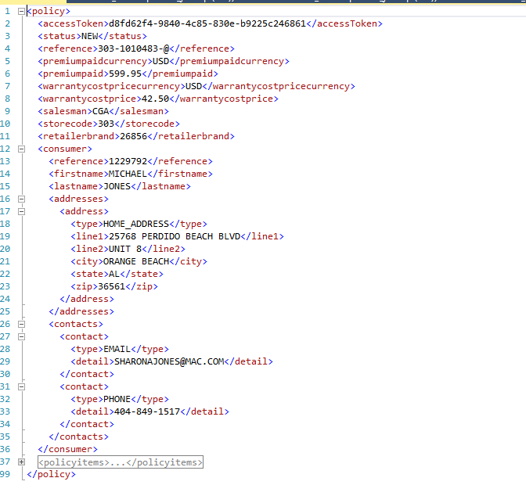

 | Phase1 | [dbo].[Uniters_CreateXML]

Case #7
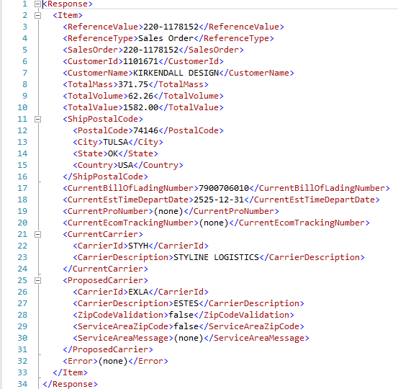
...
Test Cast Screens Shots Before and After

 | Production | SIS.usp_Spec_SalesOrder_Ack_Get

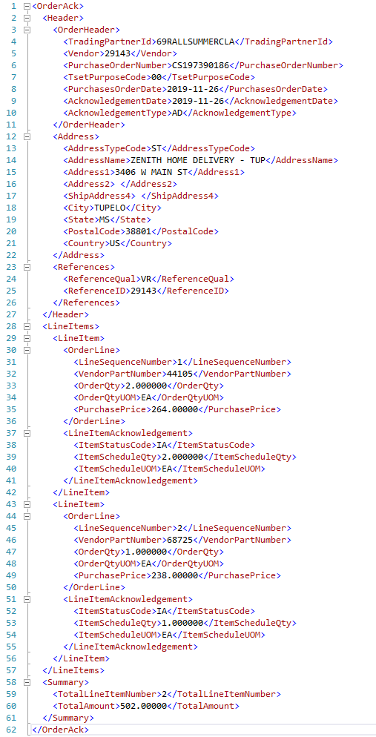

 | Phase1 | SIS.usp_Spec_SalesOrder_Ack_Get
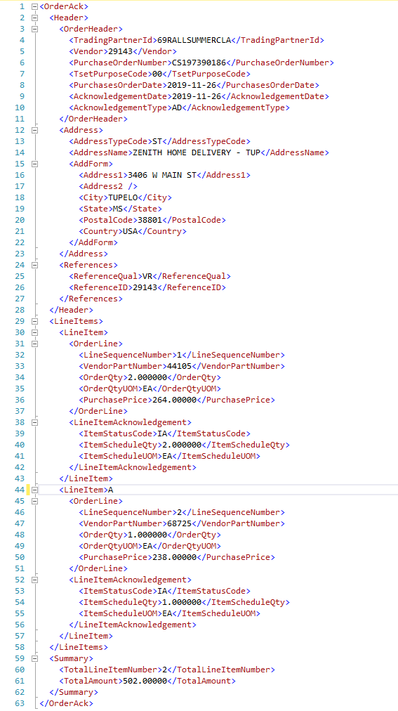

 | Production | CDU.usp_ServiceArea_Validate

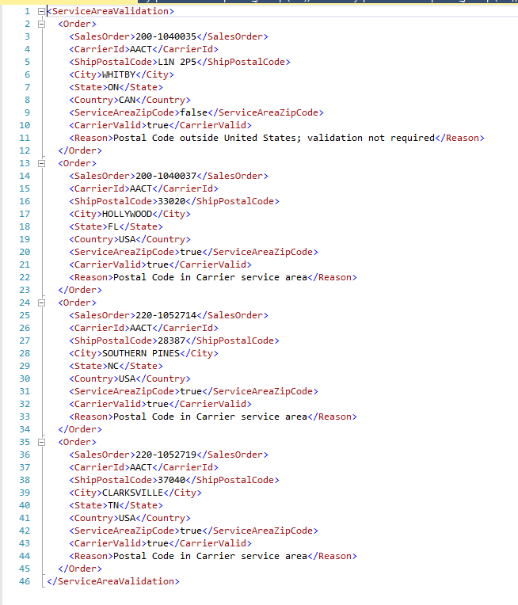

 | Phase1 | CDU.usp_ServiceArea_Validate

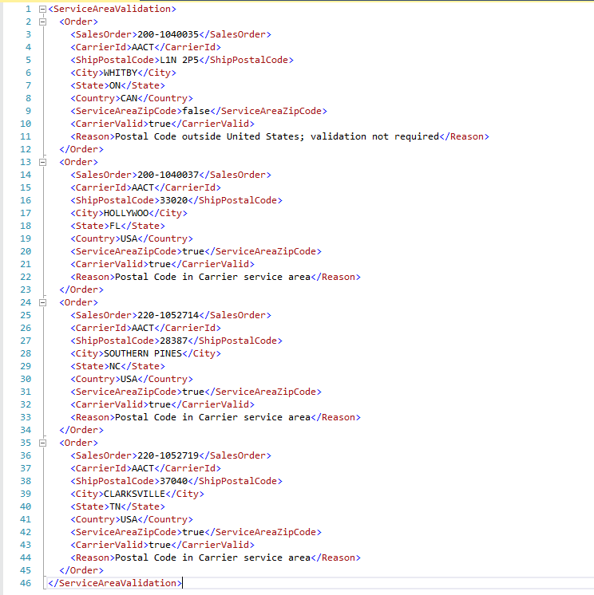

 | Production | SOS.usp_Edi856Asn_Document_Get
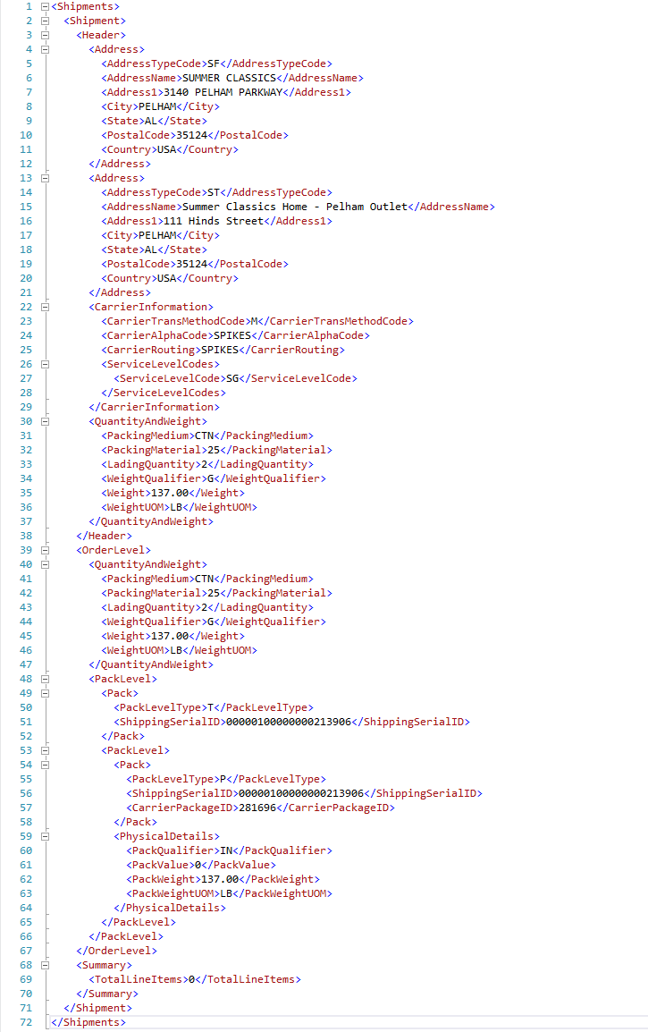

 | Phase1 | SOS.usp_Edi856Asn_Document_Get
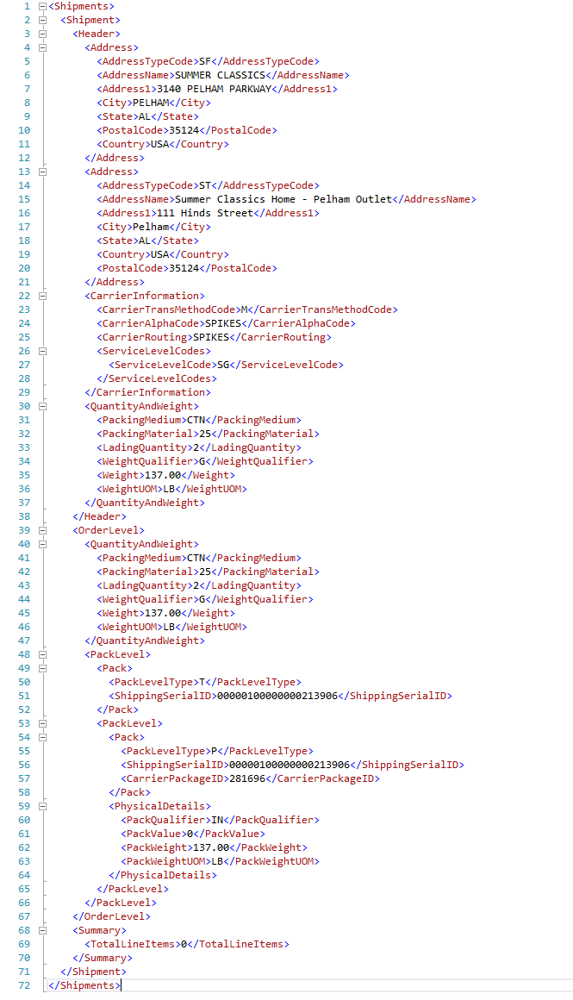

 | Production | SOS.usp_Edi855Ack_Document_Get

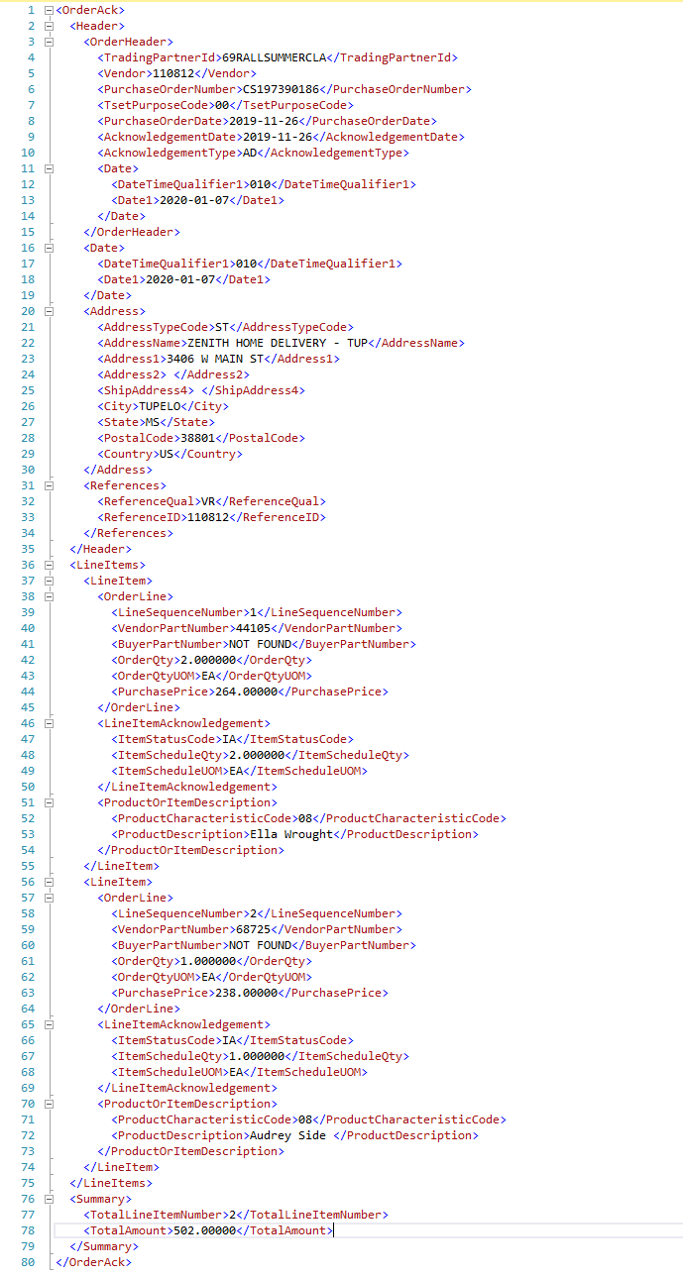

 | Phase1 | SOS.usp_Edi855Ack_Document_Get

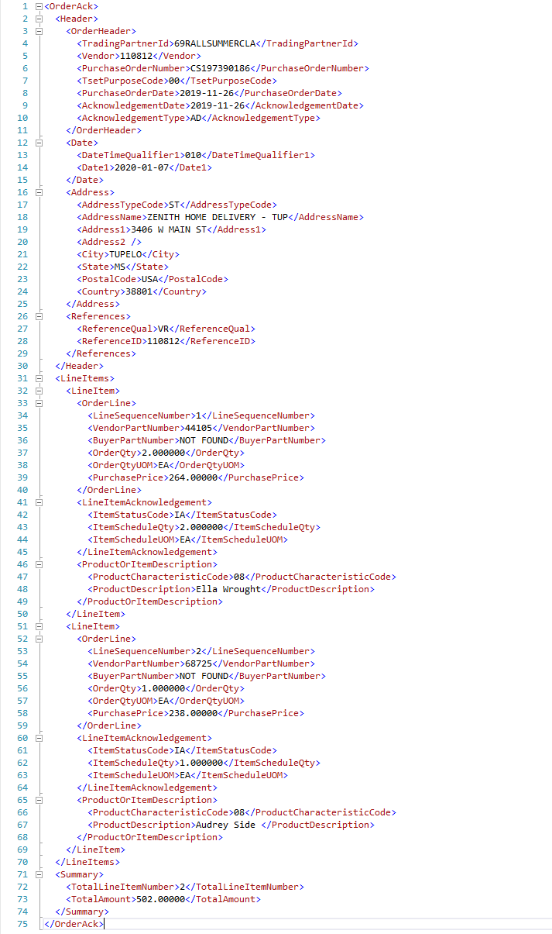

 | Production | CDU.usp_CarrierEtdDate_Update_NEW

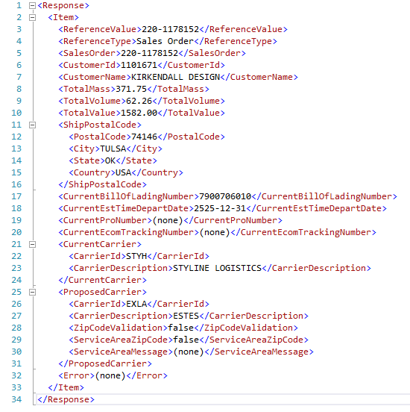

 | Phase1 | CDU.usp_CarrierEtdDate_Update_NEW

Case #8
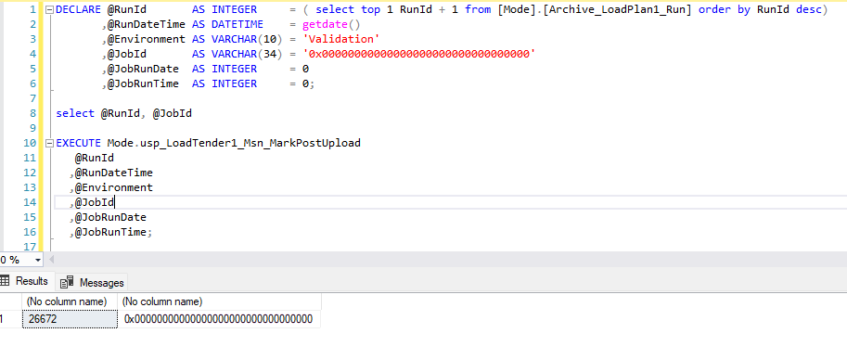
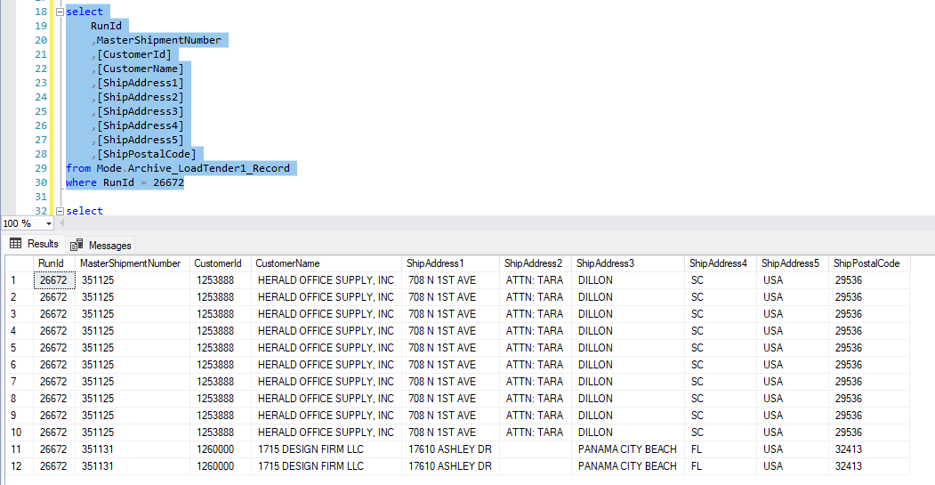
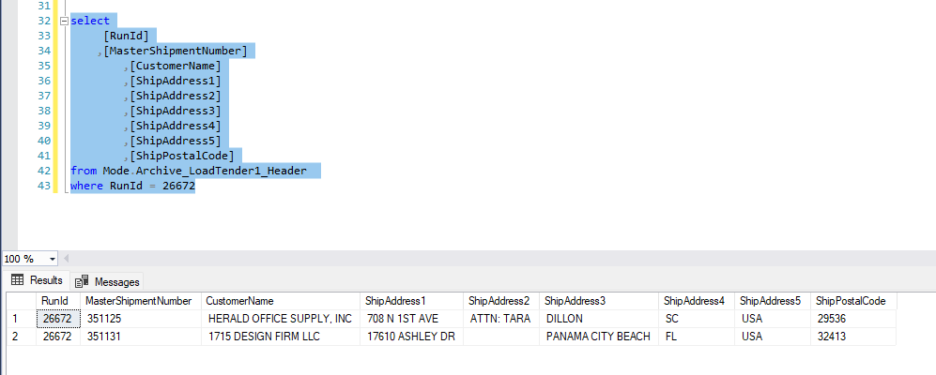
...
Phase1 | Mode.usp_Msn_Combine_Do

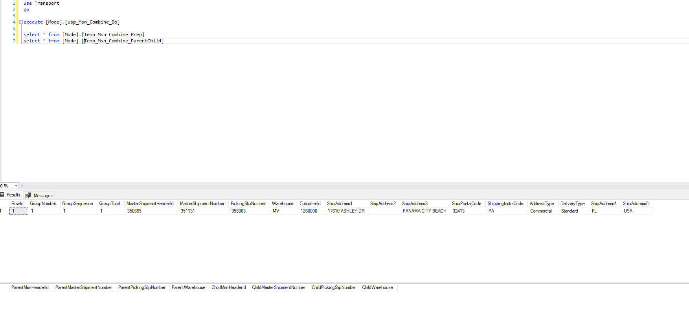

Production | Mode.usp_LoadTender1_Record_Stage

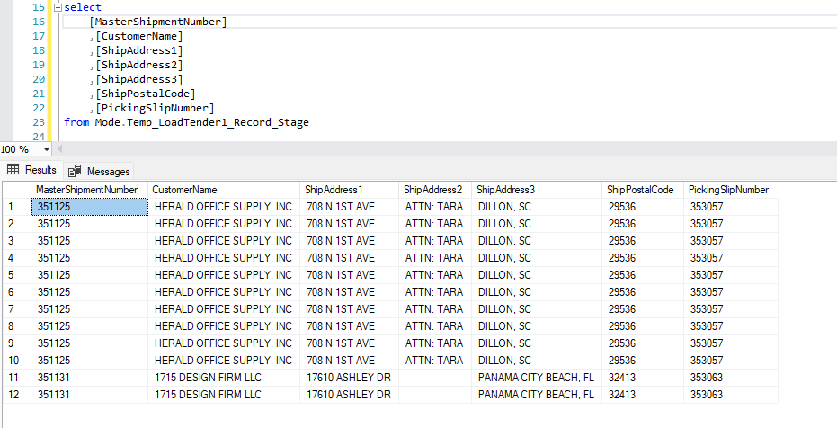

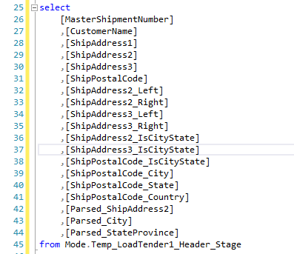

351125 | HERALD OFFICE SUPPLY, INC | 708 N 1ST AVE | ATTN: TARA | DILLON, SC | 29536 | ATTN: TARA
351131 | 1715 DESIGN FIRM LLC | 17610 ASHLEY DR |  | PANAMA CITY BEACH, FL | 32413

MBL_351125_Load Tender 1_2023-07-03T11-20-26.xml

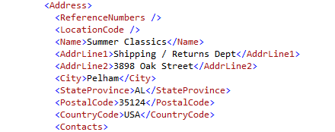

MBL_351131_Load Tender 1_2023-07-03T11-20-26.xml

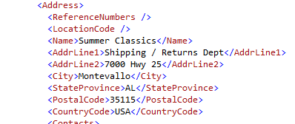

Production | Mode.usp_LoadTender1_Msn_MarkPostUpload

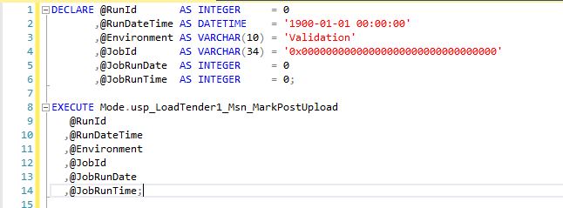

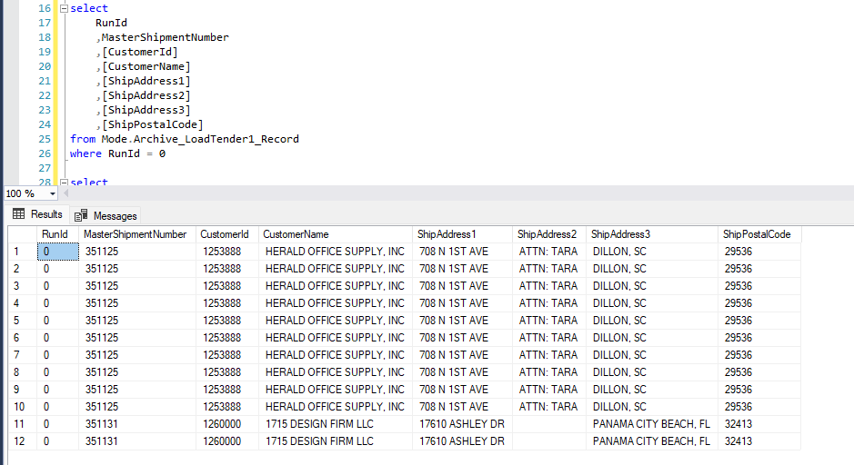

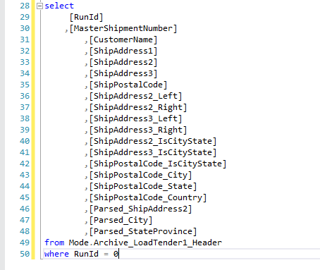

0 | 351125 | HERALD OFFICE SUPPLY, INC | 708 N 1ST AVE | ATTN: TARA | DILLON, SC | 29536 | ATTN: TARA
0 | 351131 | 1715 DESIGN FIRM LLC | 17610 ASHLEY DR |  | PANAMA CITY BEACH, FL | 32413

Phase1 | Mode.usp_LoadTender1_Record_Stage

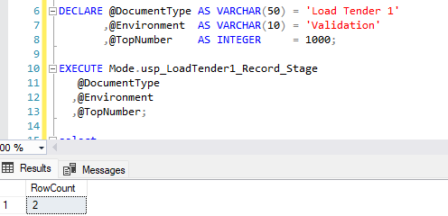

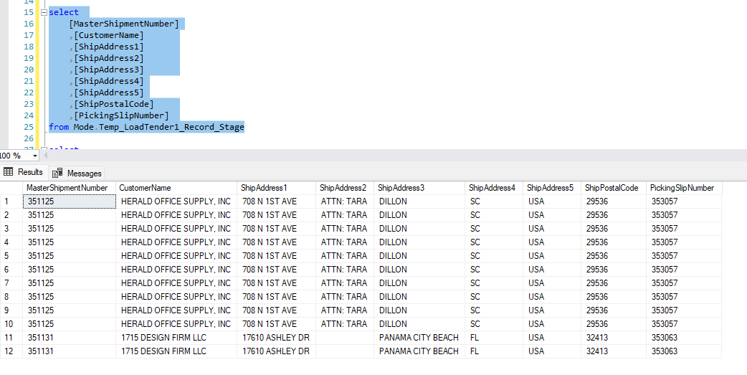

MBL_351125_Load Tender 1_2023-07-03T13-57-36.xml

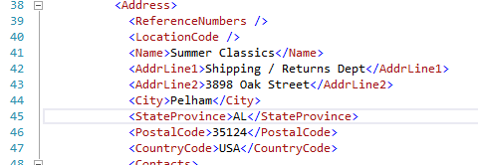

MBL_351131_Load Tender 1_2023-07-03T13-57-36.xml

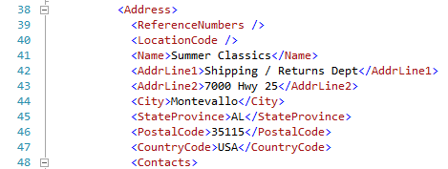

Phase1 | Mode.usp_LoadTender1_Msn_MarkPostUpload

